Model
 |  |  |  |  |  |  |  |  | -- | -- | -- | -- | -- | -- | -- | -- | -- | -- | -- |  |  | 0.0
 |  |  |  | 2020 | 2021 | 2022 | 2023 | 2024 | 2025E | 2026E | 2027E | 2028E | 2029E | 2030E | 2031E | 2032E | 2033E | 2034E | 2035E |  | Comments
 | In US$ m, unless otherwise stated |  |  | Dec-20 | Dec-21 | Dec-22 | Dec-23 | Dec-24 | Dec-25 | Dec-26 | Dec-27 | Dec-28 | Dec-29 | Dec-30 | Dec-31 | Dec-32 | Dec-33 | Dec-34 | Dec-35

 | Scenario |  | 1

x | ASSUMPTIONS

x | Scenarios

 | LIVE
 |  | Ukraine population growth |  |  |  |  |  |  | -0.8% | -0.8% | -0.8% | -0.8% | -0.8% | -0.8% | -0.8% | -0.8% | -0.8% | -0.8% | -0.8%
 |  | Mobile ARPU LLC growth |  |  |  |  |  |  | 20.0% | 12.0% | 9.0% | 9.0% | 9.0% | 9.0% | 9.0% | 9.0% | 9.0% | 9.0% | 9.0%
 |  | Other operating income as % of sales |  |  |  |  |  |  | 0.1% | 0.1% | 0.1% | 0.1% | 0.1% | 0.1% | 0.1% | 0.1% | 0.1% | 0.1% | 0.1%
 |  | Service costs as % of sales |  |  |  |  |  |  | -12.9% | -13.6% | -14.4% | -14.9% | -15.2% | -15.4% | -15.4% | -15.4% | -15.4% | -15.4% | -15.4%
 |  | Selling, general and administrative expenses as % of sales |  |  |  |  |  |  | -34.2% | -34.9% | -35.7% | -36.2% | -36.5% | -36.7% | -36.7% | -36.7% | -36.7% | -36.7% | -36.7%
 |  | PPE capex as % of sales |  |  |  |  |  |  | 25.0% | 24.5% | 24.0% | 23.0% | 22.0% | 21.0% | 20.0% | 19.0% | 18.0% | 18.0% | 18.0%

 | BASE - STATUS QUO
 |  | Ukraine population growth |  |  |  |  |  |  | -0.8% | -0.8% | -0.8% | -0.8% | -0.8% | -0.8% | -0.8% | -0.8% | -0.8% | -0.8% | -0.8% |  | Status quo, war continues.
 |  | Mobile ARPU LLC growth |  |  |  |  |  |  | 20.0% | 12.0% | 9.0% | 9.0% | 9.0% | 9.0% | 9.0% | 9.0% | 9.0% | 9.0% | 9.0%
 |  | Other operating income as % of sales |  |  |  |  |  |  | 0.1% | 0.1% | 0.1% | 0.1% | 0.1% | 0.1% | 0.1% | 0.1% | 0.1% | 0.1% | 0.1%
 |  | Service costs as % of sales |  |  |  |  |  |  | -12.9% | -13.6% | -14.4% | -14.9% | -15.2% | -15.4% | -15.4% | -15.4% | -15.4% | -15.4% | -15.4% |  | Assume higher cost base due to digital
 |  | Selling, general and administrative expenses as % of sales |  |  |  |  |  |  | -34.2% | -34.9% | -35.7% | -36.2% | -36.5% | -36.7% | -36.7% | -36.7% | -36.7% | -36.7% | -36.7% |  | Assume higher cost base due to digital
 |  | PPE capex as % of sales |  |  |  |  |  |  | 25.0% | 24.5% | 24.0% | 23.0% | 22.0% | 21.0% | 20.0% | 19.0% | 18.0% | 18.0% | 18.0%

 | BULL- WAR ENDS
 |  | Ukraine population growth |  |  |  |  |  |  | 0.5% | 1.5% | 1.5% | 1.5% | 0.5% | 0.5% | 0.5% | 0.5% | 0.5% | 0.5% | 0.5% |  | Assume war ends, pop growth restarts but unlikely to return to pre-war numbers (~44m)
 |  | Mobile ARPU LLC growth |  |  |  |  |  |  | 20.0% | 12.0% | 9.0% | 9.0% | 9.0% | 9.0% | 9.0% | 9.0% | 9.0% | 9.0% | 9.0%
 |  | Other operating income as % of sales |  |  |  |  |  |  | 0.1% | 0.1% | 0.1% | 0.1% | 0.1% | 0.1% | 0.1% | 0.1% | 0.1% | 0.1% | 0.1%
 |  | Service costs as % of sales |  |  |  |  |  |  | -12.4% | -13.1% | -13.9% | -14.4% | -14.7% | -14.9% | -14.9% | -14.9% | -14.9% | -14.9% | -14.9%
 |  | Selling, general and administrative expenses as % of sales |  |  |  |  |  |  | -33.7% | -34.4% | -35.2% | -35.7% | -36.0% | -36.2% | -36.2% | -36.2% | -36.2% | -36.2% | -36.2%
 |  | PPE capex as % of sales |  |  |  |  |  |  | 23.0% | 22.5% | 22.0% | 21.0% | 20.0% | 19.0% | 18.0% | 17.0% | 16.0% | 16.0% | 16.0%

x | Revenue drivers

 |  | UAH/USD |  | 26.96 | 27.29 | 32.34 | 36.57 | 40.16 | 41.8 | 43.6 | 45.4 | 47.3 | 49.3 | 51.3 | 53.4 | 55.7 | 58.0 | 60.4 | 62.9 |  | Company reported
 |  | % change |  |  | -1.2% | -15.6% | -11.6% | -8.9% | -4.0% | -4.0% | -4.0% | -4.0% | -4.0% | -4.0% | -4.0% | -4.0% | -4.0% | -4.0% | -4.0%

 |  | Nominal GDP | UAH bn | 3,977 | 4,222 | 5,451 | 5,239 | 6,628 | 7,659 | 8,731 | 9,953 | 11,347 | 12,935 | 14,746 | 16,811 | 19,164 | 21,847 | 24,906 | 28,392 |  | Worldbank
 |  | % change |  |  | 6.2% | 29.1% | -3.9% | 26.5% | 15.6% | 14.0% | 14.0% | 14.0% | 14.0% | 14.0% | 14.0% | 14.0% | 14.0% | 14.0% | 14.0%
 |  | Nominal GDP | USD bn | 148 | 155 | 169 | 143 | 165 | 183 | 200 | 219 | 240 | 263 | 287 | 315 | 344 | 377 | 412 | 451

 |  | Ukraine population | Thousands | 44,680 | 44,299 | 41,049 | 37,733 | 37,860 | 37,557 | 37,257 | 36,959 | 36,663 | 36,370 | 36,079 | 35,790 | 35,504 | 35,220 | 34,938 | 34,659 |  | Worldbank
 |  | % change |  |  | -0.9% | -7.3% | -8.1% | 0.3% | -0.8% | -0.8% | -0.8% | -0.8% | -0.8% | -0.8% | -0.8% | -0.8% | -0.8% | -0.8% | -0.8%
 |  | Net change | Thousands |  | -381 | -3,250 | -3,316 | 127 | -303 | -300 | -298 | -296 | -293 | -291 | -289 | -286 | -284 | -282 | -280

 |  | Mobile penetration | % |  |  |  | 131.7% | 128.8% | 130.8% | 132.8% | 134.8% | 136.8% | 138.8% | 140.8% | 142.8% | 144.8% | 146.8% | 148.8% | 150.8%
 |  | Change in penetration |  |  |  |  |  | -3.0% | 2.0% | 2.0% | 2.0% | 2.0% | 2.0% | 2.0% | 2.0% | 2.0% | 2.0% | 2.0% | 2.0% |  | Should we expect declining due to war?

 |  | Average household size |  | 2.4 | 2.4 | 2.4 | 2.4 | 2.4 | 2.4 | 2.4 | 2.4 | 2.4 | 2.4 | 2.4 | 2.4 | 2.4 | 2.4 | 2.4 | 2.4

 |  | No. of households |  | 18,617 | 18,458 | 17,104 | 15,722 | 15,775 | 15,649 | 15,524 | 15,400 | 15,276 | 15,154 | 15,033 | 14,913 | 14,793 | 14,675 | 14,558 | 14,441

 |  | FBB penetration |  | 41.7% | 41.0% | 42.0% | 51.3% | 50.7% | 53.7% | 56.7% | 59.7% | 62.7% | 65.7% | 68.7% | 71.7% | 74.7% | 76.7% | 78.7% | 80.7%
 |  | Change in penetration |  |  | -0.7% | 1.1% | 9.3% | -0.6% | 3.0% | 3.0% | 3.0% | 3.0% | 3.0% | 3.0% | 3.0% | 3.0% | 2.0% | 2.0% | 2.0%

 |  | Mobile

 |  | Subscribers | Thousands
 |  | Kyivstar |  | 25,876 | 26,183 | 24,752 | 23,911 | 23,010 | 23,082 | 23,149 | 23,210 | 23,265 | 23,316 | 23,361 | 23,401 | 23,437 | 23,467 | 23,492 | 23,513
 |  | Vodafone Ukraine |  | 18,944 | 18,904 | 15,367 | 15,907 | 15,795 | 15,863 | 15,927 | 15,988 | 16,045 | 16,099 | 16,150 | 16,197 | 16,241 | 16,282 | 16,320 | 16,355
 |  | Lifecell |  | 8,096 | 9,235 | 8,510 | 9,892 | 9,945 | 10,166 | 10,387 | 10,609 | 10,830 | 11,052 | 11,274 | 11,496 | 11,718 | 11,940 | 12,162 | 12,384
 |  | Others |  | -- | -- | -- | -- | -- | -- | -- | -- | -- | -- | -- | -- | -- | -- | -- | --
 |  | Total |  | 52,916 | 54,322 | 48,629 | 49,710 | 48,749 | 49,111 | 49,463 | 49,806 | 50,141 | 50,467 | 50,785 | 51,095 | 51,396 | 51,689 | 51,975 | 52,252 |  | Population x Mobile penetration
 |  | % change |  |  |  |  |  | -1.9% | 0.7% | 0.7% | 0.7% | 0.7% | 0.7% | 0.6% | 0.6% | 0.6% | 0.6% | 0.6% | 0.5%

 |  | Subscriber share | %
 |  | Kyivstar |  | 48.9% | 48.2% | 50.9% | 48.1% | 47.2% | 47.0% | 46.8% | 46.6% | 46.4% | 46.2% | 46.0% | 45.8% | 45.6% | 45.4% | 45.2% | 45.0%
 |  | Vodafone Ukraine |  | 35.8% | 34.8% | 31.6% | 32.0% | 32.4% | 32.3% | 32.2% | 32.1% | 32.0% | 31.9% | 31.8% | 31.7% | 31.6% | 31.5% | 31.4% | 31.3%
 |  | Lifecell |  | 15.3% | 17.0% | 17.5% | 19.9% | 20.4% | 20.7% | 21.0% | 21.3% | 21.6% | 21.9% | 22.2% | 22.5% | 22.8% | 23.1% | 23.4% | 23.7%
 |  | Others |  | 0.0% | 0.0% | 0.0% | 0.0% | 0.0% | 0.0% | 0.0% | 0.0% | 0.0% | 0.0% | 0.0% | 0.0% | 0.0% | 0.0% | 0.0% | 0.0%
 |  | Total |  | 100.0% | 100.0% | 100.0% | 100.0% | 100.0% | 100.0% | 100.0% | 100.0% | 100.0% | 100.0% | 100.0% | 100.0% | 100.0% | 100.0% | 100.0% | 100.0%

 |  | Share changes
 |  | Kyivstar |  |  | -0.7% | 2.7% | -2.8% | -0.9% | -0.2% | -0.2% | -0.2% | -0.2% | -0.2% | -0.2% | -0.2% | -0.2% | -0.2% | -0.2% | -0.2%
 |  | Vodafone Ukraine |  |  | -1.0% | -3.2% | 0.4% | 0.4% | -0.1% | -0.1% | -0.1% | -0.1% | -0.1% | -0.1% | -0.1% | -0.1% | -0.1% | -0.1% | -0.1%
 |  | Lifecell |  |  | 1.7% | 0.5% | 2.4% | 0.5% | 0.3% | 0.3% | 0.3% | 0.3% | 0.3% | 0.3% | 0.3% | 0.3% | 0.3% | 0.3% | 0.3%
 |  | Others |  |  | 0.0% | 0.0% | 0.0% | 0.0% | 0.0% | 0.0% | 0.0% | 0.0% | 0.0% | 0.0% | 0.0% | 0.0% | 0.0% | 0.0% | 0.0%

 |  | Net additions
 |  | Kyivstar |  |  | 308 | (1,431) | (842) | (901) | 72 | 67 | 61 | 56 | 50 | 45 | 40 | 35 | 30 | 26 | 21
 |  | Vodafone Ukraine |  |  | (40) | (3,537) | 540 | (112) | 68 | 64 | 61 | 57 | 54 | 51 | 47 | 44 | 41 | 38 | 35
 |  | Lifecell |  |  | 1,139 | (725) | 1,382 | 53 | 221 | 221 | 222 | 222 | 222 | 222 | 222 | 222 | 222 | 222 | 222
 |  | Others |  |  | -- | -- | -- | -- | -- | -- | -- | -- | -- | -- | -- | -- | -- | -- | --
 |  | Total |  |  | 1,407 | (5,693) | 1,081 | (961) | 361 | 352 | 343 | 335 | 326 | 318 | 310 | 301 | 293 | 285 | 277

 |  | Mobile service revenue

 |  | Mobile ARPU | UAH/month | 75 | 85 | 95 | 107 | 121 | 145.2 | 164.1 | 183.8 | 204.0 | 222.3 | 242.3 | 264.2 | 287.9 | 313.8 | 342.1 | 372.9
 |  | % YoY |  |  | 13.3% | 11.8% | 12.6% | 13.1% | 20.0% | 13.0% | 12.0% | 11.0% | 9.0% | 9.0% | 9.0% | 9.0% | 9.0% | 9.0% | 9.0% |  | Long term average inflation ~8%

 |  | Mobile ARPU | USD/month |  |  |  | 2.9 | 3.0 | 3.5 | 3.8 | 4.0 | 4.3 | 4.5 | 4.7 | 4.9 | 5.2 | 5.4 | 5.7 | 5.9
 |  | % YoY |  |  |  |  |  | 3.4% | 15.7% | 8.5% | 7.5% | 6.6% | 4.6% | 4.6% | 4.6% | 4.6% | 4.6% | 4.6% | 4.6%

 |  | Average subscribers | m |  | 26,029 | 25,468 | 24,331 | 23,460 | 23,046 | 23,115 | 23,179 | 23,238 | 23,291 | 23,339 | 23,381 | 23,419 | 23,452 | 23,480 | 23,503
 |  | % YoY |  |  |  |  |  | -3.6% | -1.8% | 0.3% | 0.3% | 0.3% | 0.2% | 0.2% | 0.2% | 0.2% | 0.1% | 0.1% | 0.1%

 |  | Calculated mobile service revenue | UAH m |  |  |  | 31,242 | 34,064 | 40,155 | 45,512 | 51,114 | 56,880 | 62,141 | 67,873 | 74,117 | 80,917 | 88,323 | 96,387 | 105,166
 |  | Implied other mobile | UAH m |  |  |  | 172 | 674 | 674 | 674 | 674 | 674 | 674 | 674 | 674 | 674 | 674 | 674 | 674
 |  | Reported Mobile service revenue | UAH m |  |  |  | 31,414 | 34,738 | 40,829 | 46,186 | 51,788 | 57,554 | 62,815 | 68,547 | 74,791 | 81,592 | 88,998 | 97,061 | 105,840
 |  | % change |  |  |  |  |  | 10.6% | 17.5% | 13.1% | 12.1% | 11.1% | 9.1% | 9.1% | 9.1% | 9.1% | 9.1% | 9.1% | 9.0%
 |  | Reported Mobile service revenue - VEON model |  | 23,418 | 26,712 | 29,014 | 31,397 | 34,292
 |  |  |  |  | 14.1% | 8.6% | 8.2% | 9.2%
x |  | Fixed

 |  | Subscribers | Thousands
 |  | Kyivstar |  | 1,121 | 1,204 | 1,154 | 1,154 | 1,129 | 1,219 | 1,312 | 1,408 | 1,505 | 1,604 | 1,705 | 1,808 | 1,913 | 1,993 | 2,075 | 2,157
 |  | Ukrtelecom |  |  |  |  |  | 432 | 429 | 423 | 414 | 403 | 389 | 372 | 353 | 332 | 304 | 275 | 245
 |  | Lifecell |  |  |  |  |  | 384 | 421 | 458 | 497 | 537 | 578 | 620 | 663 | 708 | 743 | 779 | 816
 |  | Others |  |  |  |  |  | 6,060 | 6,341 | 6,615 | 6,882 | 7,141 | 7,392 | 7,637 | 7,874 | 8,105 | 8,221 | 8,334 | 8,442
 |  | Total |  | 7,769 | 7,566 | 7,191 | 8,070 | 8,005 | 8,410 | 8,809 | 9,200 | 9,585 | 9,963 | 10,334 | 10,699 | 11,057 | 11,262 | 11,463 | 11,660
 |  | % change |  |  | -2.6% | -5.0% | 12.2% | -0.8% | 5.1% | 4.7% | 4.4% | 4.2% | 3.9% | 3.7% | 3.5% | 3.3% | 1.9% | 1.8% | 1.7%

 |  | Subscriber share | %
 |  | Kyivstar |  | 14.4% | 15.9% | 16.0% | 14.3% | 14.1% | 14.5% | 14.9% | 15.3% | 15.7% | 16.1% | 16.5% | 16.9% | 17.3% | 17.7% | 18.1% | 18.5%
 |  | Ukrtelecom |  |  |  |  |  | 5.4% | 5.1% | 4.8% | 4.5% | 4.2% | 3.9% | 3.6% | 3.3% | 3.0% | 2.7% | 2.4% | 2.1%
 |  | Lifecell |  |  |  |  |  | 4.8% | 5.0% | 5.2% | 5.4% | 5.6% | 5.8% | 6.0% | 6.2% | 6.4% | 6.6% | 6.8% | 7.0%
 |  | Others |  |  |  |  |  | 75.7% | 75.4% | 75.1% | 74.8% | 74.5% | 74.2% | 73.9% | 73.6% | 73.3% | 73.0% | 72.7% | 72.4%
 |  | Total |  |  |  |  |  | 100.0% | 100.0% | 100.0% | 100.0% | 100.0% | 100.0% | 100.0% | 100.0% | 100.0% | 100.0% | 100.0% | 100.0%

 |  | Share changes
 |  | Kyivstar |  |  |  |  |  | -0.2% | 0.4% | 0.4% | 0.4% | 0.4% | 0.4% | 0.4% | 0.4% | 0.4% | 0.4% | 0.4% | 0.4%
 |  | Ukrtelecom |  |  |  |  |  | 5.4% | -0.3% | -0.3% | -0.3% | -0.3% | -0.3% | -0.3% | -0.3% | -0.3% | -0.3% | -0.3% | -0.3% |  | Legacy with declining share
 |  | Lifecell |  |  |  |  |  | 4.8% | 0.2% | 0.2% | 0.2% | 0.2% | 0.2% | 0.2% | 0.2% | 0.2% | 0.2% | 0.2% | 0.2%
 |  | Others |  |  |  |  |  | 75.7% | -0.3% | -0.3% | -0.3% | -0.3% | -0.3% | -0.3% | -0.3% | -0.3% | -0.3% | -0.3% | -0.3%

 |  | Net additions
 |  | Kyivstar |  |  | 82.4 | (49.5) | 0.1 | (25.5) | 90.8 | 93.0 | 95.1 | 97.2 | 99.2 | 101.1 | 103.0 | 104.8 | 80.5 | 81.4 | 82.3
 |  | Ukrtelecom |  |  | -- | -- | -- |  | (3.3) | (6.1) | (8.8) | (11.4) | (14.0) | (16.5) | (19.0) | (21.3) | (27.6) | (29.0) | (30.2)
 |  | Lifecell |  |  | -- | -- | -- |  | 36.3 | 37.5 | 38.8 | 39.9 | 41.1 | 42.2 | 43.3 | 44.3 | 35.6 | 36.2 | 36.7
 |  | Others |  |  | -- | -- | -- |  | 281.7 | 274.0 | 266.4 | 259.0 | 251.7 | 244.5 | 237.4 | 230.5 | 116.5 | 112.4 | 108.3

 |  | Fixed service revenue

 |  | Fixed ARPU | UAH/month |  | 133 | 130 | 128 | 142 | 152.4 | 163.0 | 174.5 | 186.7 | 199.7 | 213.7 | 228.7 | 244.7 | 261.8 | 280.1 | 299.8
 |  | % YoY |  |  |  | -2.7% | -1.2% | 11.2% | 7.0% | 7.0% | 7.0% | 7.0% | 7.0% | 7.0% | 7.0% | 7.0% | 7.0% | 7.0% | 7.0%

 |  | Fixed ARPU/Mobile ARPU |  |  | 1.57 | 1.36 | 1.20 | 1.18 | 1.05 | 0.99 | 0.95 | 0.92 | 0.90 | 0.88 | 0.87 | 0.85 | 0.83 | 0.82 | 0.80

 |  | Fixed ARPU | USD/month |  | 4.9 | 4.0 | 3.5 | 3.5 | 3.6 | 3.7 | 3.8 | 3.9 | 4.1 | 4.2 | 4.3 | 4.4 | 4.5 | 4.6 | 4.8
 |  | % YoY |  |  |  | -17.9% | -12.7% | 1.3% | 2.7% | 2.7% | 2.7% | 2.7% | 2.7% | 2.7% | 2.7% | 2.7% | 2.7% | 2.7% | 2.7%

 |  | Average subscribers | m |  |  |  |  | 1,141 | 1,174 | 1,266 | 1,360 | 1,456 | 1,554 | 1,655 | 1,757 | 1,860 | 1,953 | 2,034 | 2,116
 |  | % YoY |  |  |  |  |  |  | 2.9% | 7.8% | 7.4% | 7.1% | 6.7% | 6.4% | 6.2% | 5.9% | 5.0% | 4.1% | 4.0%

 |  | Calculated fixed service revenue | UAH m | 1,602 | 1,859 | 1,834 | 1,774 | 1,951 | 2,147 | 2,477 | 2,847 | 3,262 | 3,726 | 4,243 | 4,820 | 5,463 | 6,136 | 6,838 | 7,611
 |  | Implied other fixed | UAH m |  |  |  |  | 57 | 57 | 57 | 57 | 57 | 57 | 57 | 57 | 57 | 57 | 57 | 57
 |  | Reported fixed service revenue | UAH m | 1,602 | 1,859 | 1,834 | 1,774 | 2,008 | 2,204 | 2,534 | 2,905 | 3,319 | 3,783 | 4,301 | 4,878 | 5,520 | 6,194 | 6,895 | 7,669
 |  | % change |  |  | 16.0% | -1.3% | -3.3% | 13.2% | 9.8% | 15.0% | 14.6% | 14.3% | 14.0% | 13.7% | 13.4% | 13.2% | 12.2% | 11.3% | 11.2%
 |  | Reported fixed service revenue - VEON model |  | 1,602 | 1,859 | 1,834 | 1,774 | 1,951
 |  |  |  |  | 16.0% | -1.3% | -3.3% | 10.0%
x |  | Digital

 |  | Uklon - acquired in March 2025 for USD155.2m for 97% stake
 |  | Helsi
 |  |  |  |  |  |  |  |  |  |  |  |  |  |  |  |  |  |  |  |  | CAGR
 |  | Estimated Digital revenue breakdown |  |  |  |  |  |  |  |  |  |  |  |  |  |  |  |  |  |  | 24-35E
 |  | Helsi | UAH m |  |  |  | 133 | 206 | 265 | 341 | 398 | 464 | 539 | 626 | 725 | 839 | 970 | 1,119 | 1,290 |  | 18.2%
 |  | Kyivstar TV | UAH m |  |  |  | 106 | 209 | 327 | 439 | 573 | 728 | 905 | 1,102 | 1,319 | 1,555 | 1,808 | 2,077 | 2,359 |  | 24.7%
 |  | B2B/Cloud | UAH m |  |  |  | 158 | 465 | 931 | 1,582 | 2,358 | 3,166 | 3,927 | 4,587 | 5,126 | 5,548 | 5,960 | 6,357 | 6,739 |  | 27.5%
 |  | Uklon | UAH m |  |  |  |  |  | 3,174 | 4,835 | 5,978 | 7,141 | 8,298 | 9,410 | 10,664 | 12,077 | 13,668 | 15,459 | 17,475
 |  | Adjustments | UAH m |  |  |  | -- | --
 |  | Direct Digital revenue | UAH m |  |  |  | 396 | 880 | 4,696 | 7,197 | 9,306 | 11,499 | 13,668 | 15,724 | 17,835 | 20,020 | 22,406 | 25,013 | 27,862 |  | 36.9%
 |  | % change |  |  |  |  |  | 122.2% | 433.7% | 53.3% | 29.3% | 23.6% | 18.9% | 15.0% | 13.4% | 12.3% | 11.9% | 11.6% | 11.4%
 |  | % of sales |  |  |  |  | 1.2% | 2.4% | 10.9% | 14.7% | 17.0% | 18.8% | 20.5% | 21.5% | 22.3% | 22.9% | 23.5% | 24.0% | 24.5%
 |  | Implied % rise per quarter |  |  |  |  |  | 0.3% | 2.1% | 1.0% | 0.6% | 0.5% | 0.4% | 0.3% | 0.2% | 0.1% | 0.1% | 0.1% | 0.1%
 |  | Memo: |  |  |  |  |  |  | 1Q25 digital growth is 140% so x% in 2025 very achievable
 |  |  |  |  |  |  |  |  | 73.0% | 55.2% | 40.9% | 30.9% | 23.2% | 17.6% | 13.6% | 10.8% | 10.0% | 9.3% | 8.7%
 |  | % YoY
 |  | Helsi |  |  |  |  |  | 55.2% | 28.9% | 28.6% | 16.7% | 16.5% | 16.3% | 16.1% | 15.9% | 15.7% | 15.6% | 15.4% | 15.3%
 |  | Kyivstar TV |  |  |  |  |  | 97.2% | 56.4% | 34.5% | 30.4% | 27.1% | 24.2% | 21.8% | 19.7% | 17.9% | 16.3% | 14.9% | 13.6%
 |  | B2B/Cloud |  |  |  |  |  | 195.4% | 100.0% | 70.0% | 49.0% | 34.3% | 24.0% | 16.8% | 11.8% | 8.2% | 7.4% | 6.7% | 6.0%
 |  | Uklon |  |  |  |  |  |  |  | 52.3% | 23.6% | 19.5% | 16.2% | 13.4% | 13.3% | 13.2% | 13.2% | 13.1% | 13.0%

 |  | % of Digital revenue
 |  | Helsi |  |  |  |  | 33.5% | 23.4% | 5.6% | 4.7% | 4.3% | 4.0% | 3.9% | 4.0% | 4.1% | 4.2% | 4.3% | 4.5% | 4.6%
 |  | Kyivstar TV |  |  |  |  | 26.8% | 23.7% | 7.0% | 6.1% | 6.2% | 6.3% | 6.6% | 7.0% | 7.4% | 7.8% | 8.1% | 8.3% | 8.5%
 |  | B2B/Cloud |  |  |  |  | 39.8% | 52.9% | 19.8% | 22.0% | 25.3% | 27.5% | 28.7% | 29.2% | 28.7% | 27.7% | 26.6% | 25.4% | 24.2%
 |  | Uklon |  |  |  |  | 0.0% | 0.0% | 67.6% | 67.2% | 64.2% | 62.1% | 60.7% | 59.8% | 59.8% | 60.3% | 61.0% | 61.8% | 62.7%
 |  |  |  |  |  |  | 100.0% | 100.0% | 100.0% | 100.0% | 100.0% | 100.0% | 100.0% | 100.0% | 100.0% | 100.0% | 100.0% | 100.0% | 100.0%

 |  | % of incremental revenue
 |  | Helsi |  |  |  |  |  | 15.1% | 1.6% | 3.0% | 2.7% | 3.0% | 3.5% | 4.2% | 4.7% | 5.2% | 5.5% | 5.7% | 6.0%
 |  | Kyivstar TV |  |  |  |  |  | 21.3% | 3.1% | 4.5% | 6.3% | 7.1% | 8.1% | 9.6% | 10.3% | 10.8% | 10.6% | 10.3% | 9.9%
 |  | B2B/Cloud |  |  |  |  |  | 63.6% | 12.2% | 26.1% | 36.8% | 36.9% | 35.1% | 32.1% | 25.6% | 19.3% | 17.2% | 15.3% | 13.4%
 |  | Uklon |  |  |  |  |  | 0.0% | 83.2% | 66.4% | 54.2% | 53.1% | 53.3% | 54.1% | 59.4% | 64.7% | 66.7% | 68.7% | 70.7%

 |  | % of total revenue
 |  | Helsi |  |  |  |  | 0.4% | 0.6% | 0.6% | 0.7% | 0.7% | 0.8% | 0.8% | 0.9% | 0.9% | 1.0% | 1.0% | 1.1% | 1.1%
 |  | Kyivstar TV |  |  |  |  | 0.3% | 0.6% | 0.8% | 0.9% | 1.0% | 1.2% | 1.4% | 1.5% | 1.7% | 1.8% | 1.9% | 2.0% | 2.1%
 |  | B2B/Cloud |  |  |  |  | 0.5% | 1.3% | 2.2% | 3.2% | 4.3% | 5.2% | 5.9% | 6.3% | 6.4% | 6.4% | 6.3% | 6.1% | 5.9%
 |  | Uklon |  |  |  |  | 0.0% | 0.0% | 7.3% | 9.9% | 10.9% | 11.7% | 12.4% | 12.9% | 13.4% | 13.8% | 14.3% | 14.8% | 15.4%
 |  | Adjustments |  |  |  |  | 0.0% | 0.0% | 0.0% | 0.0% | 0.0% | 0.0% | 0.0% | 0.0% | 0.0% | 0.0% | 0.0% | 0.0% | 0.0%
 |  | Direct Digital revenue |  |  |  |  | 1.2% | 2.4% | 10.9% | 14.7% | 17.0% | 18.8% | 20.5% | 21.5% | 22.3% | 22.9% | 23.5% | 24.0% | 24.5%
 |  |  |  |  |  |  |  |  |  |  |  |  |  |  |  |  |  |  |  |  | CAGR
 |  | In US$ |  |  |  |  |  |  |  |  |  |  |  |  |  |  |  |  |  |  | 24-35E
 |  | Helsi | USD m |  |  |  | 4 | 5 | 6 | 8 | 9 | 10 | 11 | 12 | 14 | 15 | 17 | 19 | 20 |  | 13.4%
 |  | Kyivstar TV | USD m |  |  |  | 3 | 5 | 8 | 10 | 13 | 15 | 18 | 21 | 25 | 28 | 31 | 34 | 37 |  | 19.7%
 |  | B2B/Cloud | USD m |  |  |  | 4 | 12 | 22 | 36 | 52 | 67 | 80 | 89 | 96 | 100 | 103 | 105 | 107 |  | 22.4%
 |  | Uklon | USD m |  |  |  |  |  | 76 | 111 | 132 | 151 | 168 | 183 | 200 | 217 | 236 | 256 | 278 | 13.8%
 |  | Adjustments | USD m |  |  |  | -- | -- | --
 |  | Direct Digital revenue | USD m |  |  |  | 11 | 22 | 112 | 165 | 205 | 243 | 278 | 306 | 334 | 360 | 386 | 414 | 443 |  | 31.4%
 |  | % change |  |  |  |  |  | 102.4% | 412.3% | 47.1% | 24.1% | 18.6% | 14.1% | 10.4% | 8.9% | 7.8% | 7.4% | 7.2% | 6.9%
 |  | % of sales |  |  |  |  | 1.2% | 2.4% | 10.9% | 14.7% | 17.0% | 18.8% | 20.5% | 21.5% | 22.3% | 22.9% | 23.5% | 24.0% | 24.5%
 |  | Implied % rise per quarter |  |  |  |  |  | 0.3% | 2.1% | 1.0% | 0.6% | 0.5% | 0.4% | 0.3% | 0.2% | 0.1% | 0.1% | 0.1% | 0.1%

 |  | Helsi

 |  | No. of appointments | million |  |  |  | 7.5
 |  | Growth
 |  | As % of registered users |  |  |  |  | 27.8%

 |  | No. of registered users | million |  |  | 25.0 | 27.0 | 28.0 | 29 | 29 | 30 | 30 | 31 | 31 | 32 | 32 | 33 | 33 | 34
 |  | Net additions |  |  |  |  | 2.0 | 1.0 | 0.5 | 0.5 | 0.5 | 0.5 | 0.5 | 0.5 | 0.5 | 0.5 | 0.5 | 0.5 | 0.5
 |  | % of population |  |  |  | 60.9% | 71.6% | 74.0% | 75.9% | 77.8% | 79.8% | 81.8% | 83.9% | 85.9% | 88.0% | 90.1% | 92.3% | 94.5% | 96.7%

 |  | MAU | million |  |  | 1.5 | 2.5 | 2.4 | 2.9 | 3.4 | 3.6 | 3.8 | 4.0 | 4.2 | 4.4 | 4.7 | 4.9 | 5.1 | 5.4
 |  | MAU as % of registered users |  |  |  | 6.0% | 9.3% | 8.6% | 10.1% | 11.6% | 12.1% | 12.6% | 13.1% | 13.6% | 14.1% | 14.6% | 15.1% | 15.6% | 16.1%
 |  | % of population |  |  |  | 3.7% | 6.6% | 6.3% | 7.6% | 9.0% | 9.6% | 10.3% | 11.0% | 11.7% | 12.4% | 13.1% | 13.9% | 14.7% | 15.5%

 |  | ARPU | UAH/month |  |  |  | 5.5 | 7.0 | 7.7 | 8.5 | 9.3 | 10.2 | 11.3 | 12.4 | 13.6 | 15.0 | 16.5 | 18.1 | 20.0 |  | Paying ratio still small
 |  | Growth |  |  |  |  |  | 26.7% | 10.0% | 10.0% | 10.0% | 10.0% | 10.0% | 10.0% | 10.0% | 10.0% | 10.0% | 10.0% | 10.0%

 |  | Helsi revenue | UAH m |  |  |  | 133 | 206 | 265 | 341 | 398 | 464 | 539 | 626 | 725 | 839 | 970 | 1,119 | 1,290 | 18.2%
 |  | % change |  |  |  |  |  | 55.2% | 28.9% | 28.6% | 16.7% | 16.5% | 16.3% | 16.1% | 15.9% | 15.7% | 15.6% | 15.4% | 15.3%
 |  | Reference: Helsi revenue from presentation |  |  |  |  | 133 | 206
 |  | Guidance |  |  |  |  |  |  |  |  | 23-27 CAGR in LLC: 50%
 |  |  |  |  |  |  |  |  |  |  | 31.6%

 |  | ARPU in USD | USD/month |  |  |  | 0.15 | 0.17 | 0.18 | 0.19 | 0.21 | 0.22 | 0.23 | 0.24 | 0.26 | 0.27 | 0.28 | 0.30 | 0.32
 |  | Growth |  |  |  |  |  | 15.4% | 5.6% | 5.6% | 5.6% | 5.6% | 5.6% | 5.6% | 5.6% | 5.6% | 5.6% | 5.6% | 5.6%

 |  | Helsi revenue | USD m |  |  |  | 4 | 5 | 6 | 8 | 9 | 10 | 11 | 12 | 14 | 15 | 17 | 19 | 20
 |  | % change |  |  |  |  |  | 41.3% | 23.7% | 23.5% | 12.1% | 11.8% | 11.6% | 11.4% | 11.3% | 11.1% | 10.9% | 10.8% | 10.6%
 |  |  |  |  |  |  | 0.91 | 1.28 | 1.58 | 1.96 | 2.19 | 2.45 | 2.74 | 3.05 | 3.39 | 3.77 | 4.18 | 4.63 | 5.12
 |  | Kyivstar TV - Net basis

 |  | MAU | m |  |  | 1.1 | 1.3 | 2.0 | 2.3 | 2.6 | 2.9 | 3.2 | 3.5 | 3.8 | 4.1 | 4.4 | 4.7 | 5.0 | 5.3
 |  | Net additions |  |  |  |  |  | 0.7 | 0.3 | 0.3 | 0.3 | 0.3 | 0.3 | 0.3 | 0.3 | 0.3 | 0.3 | 0.3 | 0.3
 |  | % of mobile subs |  |  |  |  | 5.4% | 8.7% | 10.0% | 11.2% | 12.5% | 13.8% | 15.0% | 16.3% | 17.5% | 18.8% | 20.0% | 21.3% | 22.5%
 |  | % of Ukraine population |  |  |  | 2.7% | 3.4% | 5.3% | 6.1% | 7.0% | 7.8% | 8.7% | 9.6% | 10.5% | 11.5% | 12.4% | 13.3% | 14.3% | 15.3%

 |  | ARPU | UAH/month |  |  |  | 7.4 | 10.6 | 12.7 | 14.9 | 17.4 | 19.9 | 22.5 | 25.2 | 27.8 | 30.5 | 33.1 | 35.7 | 38.2 |  | Plans range from UAH100 to UAH120 to UAH150/month so likely some internal adjustments | 20.2% | 80
 |  | Growth |  |  |  |  |  | 43.2% | 20.0% | 18.0% | 16.2% | 14.6% | 13.1% | 11.8% | 10.6% | 9.6% | 8.6% | 7.7% | 7.0%

 |  | Kyivstar TV revenue | UAH m |  |  |  | 106 | 209 | 327 | 439 | 573 | 728 | 905 | 1,102 | 1,319 | 1,555 | 1,808 | 2,077 | 2,359
 |  | Growth |  |  |  |  |  | 97.2% | 56.4% | 34.5% | 30.4% | 27.1% | 24.2% | 21.8% | 19.7% | 17.9% | 16.3% | 14.9% | 13.6%
 |  | Reference: Kyivstar TV revenue |  |  |  |  | 106 | 209
 |  |  |  |  |  |  |  | 335
 |  | ARPU in USD | USD/month |  |  |  | 0.20 | 0.26 | 0.30 | 0.34 | 0.38 | 0.42 | 0.46 | 0.49 | 0.52 | 0.55 | 0.57 | 0.59 | 0.61 |  |  | 10.7% | 0.8
 |  | Growth |  |  |  |  |  | 30.4% | 15.2% | 13.3% | 11.6% | 10.0% | 8.6% | 7.3% | 6.2% | 5.2% | 4.3% | 3.4% | 2.7%

 |  | Kyivstar TV revenue | USD m |  |  |  | 2.9 | 5.2 | 7.8 | 10.1 | 12.6 | 15.4 | 18.4 | 21.5 | 24.7 | 27.9 | 31.2 | 34.4 | 37.5
 |  | Growth |  |  |  |  |  | 79.6% | 50.1% | 29.1% | 25.2% | 22.0% | 19.3% | 16.9% | 14.9% | 13.2% | 11.6% | 10.3% | 9.0%
 |  |  |  |  |  |  |  | 1.30 | 1.95 | 2.52 | 3.16 | 3.85 | 4.59 | 5.37 | 6.17 | 6.98 | 7.80 | 8.60 | 9.37
 |  | Kyivstar TV - Gross basis

 |  | Net to Gross multiplier |  |  |  |  | 3.75 | 3.75 | 3.75 | 3.75 | 3.75 | 3.75 | 3.75 | 3.75 | 3.75 | 3.75 | 3.75 | 3.75 | 3.75 |  | Gross revenue currently between 3.5-4x of net revenue

 |  | ARPU | UAH/month |  |  |  | 27.6 | 39.6 | 47.5 | 56.0 | 65.1 | 74.6 | 84.4 | 94.3 | 104.4 | 114.4 | 124.2 | 133.8 | 143.2
 |  | Growth |  |  |  |  |  | 43.2% | 20.0% | 18.0% | 16.2% | 14.6% | 13.1% | 11.8% | 10.6% | 9.6% | 8.6% | 7.7% | 7.0%

 |  | Kyivstar TV revenue | UAH m |  |  |  | 397 | 783 | 1,225 | 1,647 | 2,148 | 2,730 | 3,392 | 4,132 | 4,947 | 5,832 | 6,781 | 7,789 | 8,847
 |  | Growth |  |  |  |  |  | 97.2% | 56.4% | 34.5% | 30.4% | 27.1% | 24.2% | 21.8% | 19.7% | 17.9% | 16.3% | 14.9% | 13.6%
 |  | Reference: Kyivstar TV revenue

 |  | ARPU in USD | USD/month |  |  |  | 0.8 | 1.0 | 1.1 | 1.3 | 1.4 | 1.6 | 1.7 | 1.8 | 2.0 | 2.1 | 2.1 | 2.2 | 2.3
 |  | Growth |  |  |  |  |  | 30.4% | 15.2% | 13.3% | 11.6% | 10.0% | 8.6% | 7.3% | 6.2% | 5.2% | 4.3% | 3.4% | 2.7%

 |  | Kyivstar TV revenue | USD m |  |  |  | 10.9 | 19.5 | 29.3 | 37.8 | 47.3 | 57.7 | 68.9 | 80.5 | 92.6 | 104.8 | 116.9 | 128.9 | 140.6
 |  | Growth |  |  |  |  |  | 79.6% | 50.1% | 29.1% | 25.2% | 22.0% | 19.3% | 16.9% | 14.9% | 13.2% | 11.6% | 10.3% | 9.0%

 |  | Enterprise

 |  | B2B/Cloud revenue | UAH m |  |  |  | 158 | 465 | 931 | 1,582 | 2,358 | 3,166 | 3,927 | 4,587 | 5,126 | 5,548 | 5,960 | 6,357 | 6,739
 |  | Growth |  |  |  |  |  | 195.4% | 100.0% | 70.0% | 49.0% | 34.3% | 24.0% | 16.8% | 11.8% | 8.2% | 7.4% | 6.7% | 6.0% | 0.27503945758
 |  | % of total revenue
 |  | Estimated Telco industry enterprise | UAH m |  |  |  | 788 | 2,327 | 4,654 | 7,912 | 11,789 | 15,832 | 19,633 | 22,933 | 25,631 | 27,742 | 29,798 | 31,786 | 33,694 |  | Assumed market share for Kyivstar B2B
 |  | % of GDP |  |  |  |  | 0.02% | 0.04% | 0.06% | 0.09% | 0.12% | 0.14% | 0.15% | 0.16% | 0.15% | 0.14% | 0.14% | 0.13% | 0.12%

 |  | B2B/Cloud revenue | USD m |  |  |  | 4 | 12 | 22 | 36 | 52 | 67 | 80 | 89 | 96 | 100 | 103 | 105 | 107
 |  | Growth |  |  |  |  |  |  | 92.0% | 63.2% | 43.0% | 28.9% | 19.0% | 12.1% | 7.3% | 3.9% | 3.1% | 2.4% | 1.8%

 |  | Sense check:
 |  | No. of empoyees |  |  |  |  | 471 | 561 | 693 | 867 | 1,060 | 1,246 | 1,403 | 1,523 | 1,603 | 1,650 | 1,688 | 1,719 | 1,742
 |  | % growth |  |  |  |  |  | 19.1% | 23.5% | 25.1% | 22.3% | 17.5% | 12.7% | 8.5% | 5.3% | 2.9% | 2.3% | 1.8% | 1.3%

 |  | Revenue per employee | USD |  |  |  | 9,146 | 20,657 | 32,117 | 41,902 | 49,011 | 53,766 | 56,815 | 58,707 | 59,822 | 60,414 | 60,880 | 61,236 | 61,495
 |  | Incremental |  |  |  |  |  | 80,901 | 80,901 | 80,901 | 80,901 | 80,901 | 80,901 | 80,901 | 80,901 | 80,901 | 80,901 | 80,901 | 80,901

 |  | Uklon

 |  | KPIs - Uklon
 |  | No. of rides | Millions |  |  |  |  | 100.0
 |  | No. of deliveries |  |  |  |  |  | >3m
 |  | Partner/drivers |  |  |  |  |  | >100k
 |  | Cities covered |  |  |  |  |  | 27.0
 |  |  |  |  |  |  |  | 2.5
 |  | Ride-hailing market in Ukraine
 |  | Ukraine population, '000 |  | 44,680 | 44,299 | 41,049 | 37,733 | 37,860 | 37,557 | 37,257 | 36,959 | 36,663 | 36,370 | 36,079 | 35,790 | 35,504 | 35,220 | 34,938 | 34,659
 |  | % change |  |  | -0.9% | -7.3% | -8.1% | 0.3% | -0.8% | -0.8% | -0.8% | -0.8% | -0.8% | -0.8% | -0.8% | -0.8% | -0.8% | -0.8% | -0.8%

 |  | Market user penetration |  |  |  |  |  | 12.0% | 15.0% | 17.5% | 19.5% | 21.0% | 22.0% | 22.5% | 23.0% | 23.5% | 24.0% | 24.5% | 25.0%
 |  | % change |  |  |  |  |  |  | 3.0% | 2.5% | 2.0% | 1.5% | 1.0% | 0.5% | 0.5% | 0.5% | 0.5% | 0.5% | 0.5%

 |  | Implied no. of ride hailing users, 000 | Thousands |  |  |  |  | 4,543 | 5,634 | 6,520 | 7,207 | 7,699 | 8,001 | 8,118 | 8,232 | 8,343 | 8,453 | 8,560 | 8,665
 |  | Uklon's market share |  |  |  |  |  | 63.0% | 64.0% | 65.0% | 66.0% | 67.0% | 68.0% | 69.0% | 70.0% | 71.0% | 72.0% | 73.0% | 74.0% |  | Targeting 70% in Ukraine
 |  | Uklon's MAU, 000 | Thousands |  |  |  |  | 2,862 | 3,606 | 4,238 | 4,757 | 5,159 | 5,441 | 5,601 | 5,762 | 5,924 | 6,086 | 6,249 | 6,412
 |  | % change |  |  |  |  |  |  | 26.0% | 17.5% | 12.2% | 8.4% | 5.5% | 2.9% | 2.9% | 2.8% | 2.7% | 2.7% | 2.6%
 |  | As % of pop |  |  |  |  |  | 7.6% | 9.6% | 11.4% | 12.9% | 14.1% | 15.0% | 15.5% | 16.1% | 16.7% | 17.3% | 17.9% | 18.5%

 |  | No. of rides per MAU per year |  |  |  |  |  | 35 | 36 | 36 | 37 | 38 | 39 | 39 | 40 | 41 | 42 | 43 | 43
 |  | % change |  |  |  |  |  |  | 2.0% | 2.0% | 2.0% | 2.0% | 2.0% | 2.0% | 2.0% | 2.0% | 2.0% | 2.0% | 2.0%

 |  | Average booking per trip | UAH |  |  |  |  | 160.0 | 173 | 187 | 202 | 218 | 235 | 254 | 274 | 296 | 320 | 345 | 373
 |  | % change |  |  |  |  |  |  | 8.0% | 8.0% | 8.0% | 8.0% | 8.0% | 8.0% | 8.0% | 8.0% | 8.0% | 8.0% | 8.0%
 |  |  |  |  |  |  |  | 4.0
 |  | Gross bookings | UAH m |  |  |  |  | 16,000 | 22,203 | 28,749 | 35,545 | 42,465 | 49,341 | 55,956 | 63,412 | 71,814 | 81,276 | 91,927 | 103,911
 |  | % change |  |  |  |  |  |  | 38.8% | 29.5% | 23.6% | 19.5% | 16.2% | 13.4% | 13.3% | 13.2% | 13.2% | 13.1% | 13.0%

 |  | Take rate | % |  |  |  |  | 16.8% | 16.8% | 16.8% | 16.8% | 16.8% | 16.8% | 16.8% | 16.8% | 16.8% | 16.8% | 16.8% | 16.8% |  | Uber's take rate ~20-25%
 |  | % change

 |  | Uklon revenue | UAH m |  | 852 | 1,302 | 1,899 | 2,691 | 3,734 | 4,835 | 5,978 | 7,141 | 8,298 | 9,410 | 10,664 | 12,077 | 13,668 | 15,459 | 17,475
 |  | % change |  |  |  | 52.9% | 45.9% | 41.7% | 38.8% | 29.5% | 23.6% | 19.5% | 16.2% | 13.4% | 13.3% | 13.2% | 13.2% | 13.1% | 13.0%

 |  | Estimated EBITDA |  |  |  |  |  | 753 | 1,045
 |  | EBITDA margin |  |  |  |  |  | 28.0% | 28.0%

 |  | Implied ARPU | UAH |  |  |  |  | 78 | 86 | 95 | 105 | 115 | 127 | 140 | 154 | 170 | 187 | 206 | 227
 |  | % change |  |  |  |  |  |  | 10.2% | 10.2% | 10.2% | 10.2% | 10.2% | 10.2% | 10.2% | 10.2% | 10.2% | 10.2% | 10.2%

 |  | IN US$

 |  | Implied ARPU | USD |  |  |  |  | 2.0 | 2.1 | 2.2 | 2.3 | 2.4 | 2.6 | 2.7 | 2.9 | 3.1 | 3.2 | 3.4 | 3.6
 |  | % change |  |  |  |  |  |  | 5.8% | 5.8% | 5.8% | 5.8% | 5.8% | 5.8% | 5.8% | 5.8% | 5.8% | 5.8% | 5.8%

 |  | Average booking per trip | USD |  |  |  |  | 4.0 | 4.1 | 4.3 | 4.4 | 4.6 | 4.8 | 4.9 | 5.1 | 5.3 | 5.5 | 5.7 | 5.9
 |  | % change |  |  |  |  |  |  | 3.7% | 3.7% | 3.7% | 3.7% | 3.7% | 3.7% | 3.7% | 3.7% | 3.7% | 3.7% | 3.7%

 |  | Uklon revenue | USD m |  | 31 | 40 | 52 | 67 | 89 | 111 | 132 | 151 | 168 | 183 | 200 | 217 | 236 | 256 | 278
 |  | % change |  |  |  | 29.0% | 29.0% | 29.0% | 33.2% | 24.3% | 18.7% | 14.7% | 11.5% | 8.9% | 8.8% | 8.7% | 8.6% | 8.6% | 8.5%

x | Cost drivers
 |  |  |  |  |  |  |  |  | -11.9% | -12.6% | -13.4% | -13.9% | -14.2% | -14.4% | -14.4% | -14.4% | -14.4% | -14.4% | -14.4%
 | As % of revenue |  |  |  |  |  |  |  | -34.2% | -34.9% | -35.7% | -36.2% | -36.5% | -36.7% | -36.7% | -36.7% | -36.7% | -36.7% | -36.7%
 |  | Other operating income |  |  |  |  | 0.1% | 0.1% | 0.1% | 0.1% | 0.1% | 0.1% | 0.1% | 0.1% | 0.1% | 0.1% | 0.1% | 0.1% | 0.1%
 |  | Service costs |  |  |  |  | -10.3% | -10.9% | -12.9% | -13.6% | -14.4% | -14.9% | -15.2% | -15.4% | -15.4% | -15.4% | -15.4% | -15.4% | -15.4%
 |  | Selling, general and administrative expenses |  |  |  |  | -31.0% | -33.2% | -34.2% | -34.9% | -35.7% | -36.2% | -36.5% | -36.7% | -36.7% | -36.7% | -36.7% | -36.7% | -36.7%
 |  |  |  |  |  |  |  | -44.0% | -47.0% | -48.5% | -50.0% | -51.0% | -51.6% | -52.0% | -52.0% | -52.0% | -52.0% | -52.0% | -52.0%
 |  | Depreciation |  |  |  |  | -13.9% | -12.8%
 |  | Amortization |  |  |  |  | -5.4% | -4.9%
 |  | Impairment, net |  |  |  |  | -0.1% | -0.3% | -0.3% | -0.3% | -0.3% | -0.3% | -0.3% | -0.3% | -0.3% | -0.3% | -0.3% | -0.3% | -0.3%
 |  | (Loss)/gain on disposal of non-current assets |  |  |  |  | 0.2% | -0.1% | -0.1% | -0.1% | -0.1% | -0.1% | -0.1% | -0.1% | -0.1% | -0.1% | -0.1% | -0.1% | -0.1%

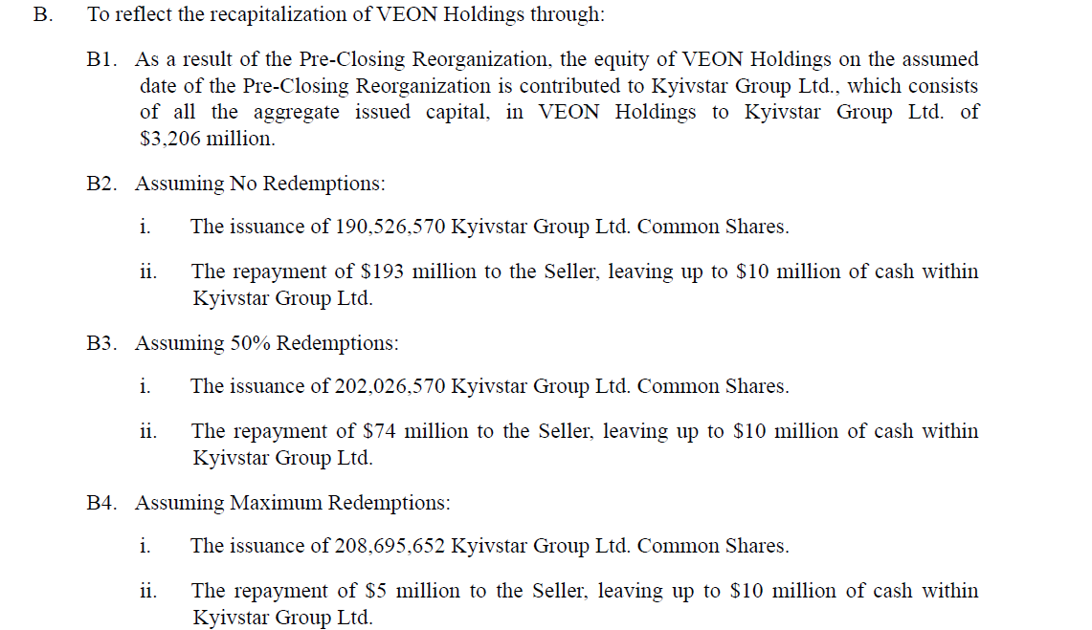
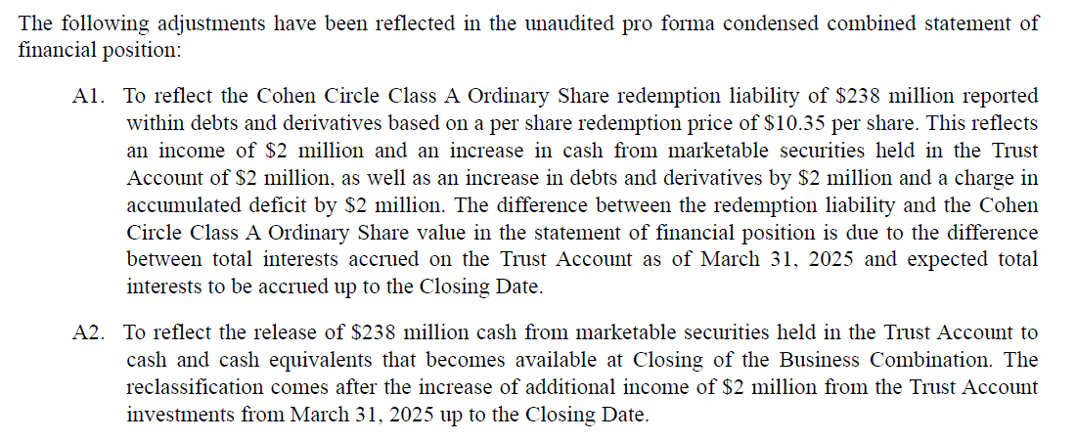
 |  | Other non-operating gain/(loss), net |  |  |  |  | -0.9% | 0.2% | 0.0% | 0.0% | 0.0% | 0.0% | 0.0% | 0.0% | 0.0% | 0.0% | 0.0% | 0.0% | 0.0%
 |  | Net foreign exchange gain |  |  |  |  | 4.2% | 4.2% | 3.0% | 3.0% | 3.0% | 3.0% | 3.0% | 2.0% | 2.0% | 2.0% | 2.0% | 2.0% | 2.0%

 | Tax rate |  |  |  |  |  | 18.8% | 18.4% | 18.4% | 18.4% | 18.4% | 18.4% | 18.4% | 18.4% | 18.4% | 18.4% | 18.4% | 18.4% | 18.4%

x | Balance sheet drivers

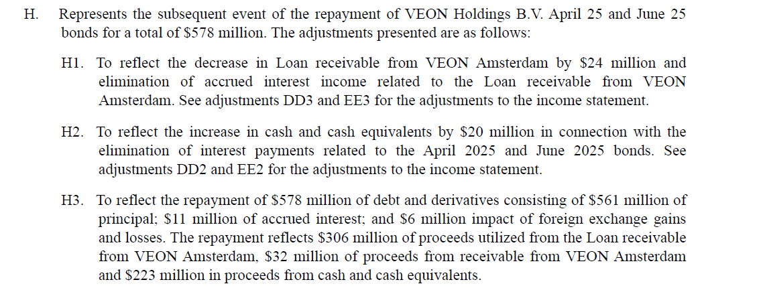
 | Proforma adjustments for BS as of 1Q25 (S4 pg 157)
 | Assets
 |  | Cash |  |  |  |  |  |  | (194)
 |  | Loan receivable from VEON Amsterdam B.V. |  |  |  |  |  |  | (330)
 |  | Receivable from VEON Amsterdam B.V. |  |  |  |  |  |  | (32)
 |  |  |  |  |  |  |  |  | (556)
 | Liabilities
 |  | LT debt |  |  |  |  |  |  | 13
 |  | ST debt |  |  |  |  |  |  | (578)
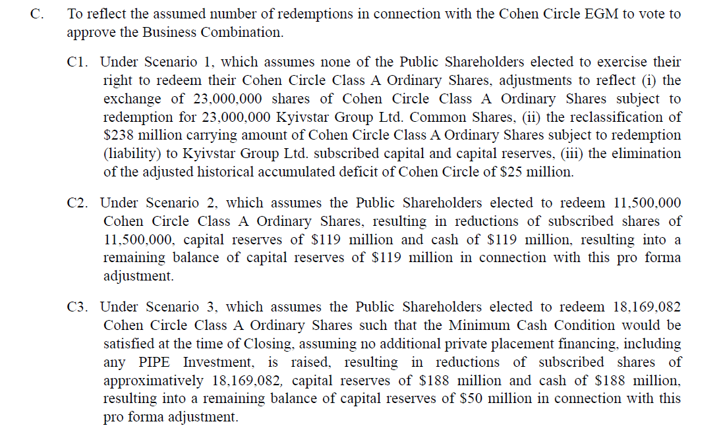
 |  |  |  |  |  |  |  |  | (565)

 | Equity |  |  |  |  |  |  |  | 9

 | Check |  |  |  |  |  |  |  | --

 |  |  |  |  |  |  |  |  | % redeemed
 | Estimated Cash proceeds from Trust account upon closing |  |  |  |  |  |  |  | 0% | 50% | 100% | 25.4%
 | Assumed CCIR share price |  |  |  |  |  |  |  | 13.07 | 13.07 | 13.07 | 13.07
 | x Shares outstanding |  | m |  |  |  |  |  | 28.0 | 16.5 | 9.9 | 17.2
 | Proceeds |  |  |  |  |  |  |  | 366 | 216 | 129 | 178
 | (-) Transaction fees |  |  |  |  |  |  |  | -40 | -40 | -40 | -40
 | Net proceeds |  |  |  |  |  |  |  | 326 | 176 | 89 | 138

 | Capex
 |  | Purchases of property, plant and equipment | USD m |  |  |  | 207 | 237 | 258 | 275 | 290 | 297 | 298 | 299 | 299 | 298 | 296 | 310 | 325
 |  | Purchases of intangible assets | USD m |  |  |  | 50 | 94 | 62 | 67 | 73 | 77 | 81 | 85 | 90 | 94 | 99 | 103 | 108
 |  | Less: Additions in licenses | USD m |  |  |  | -- | (35)
 |  | Less: Right-of-use assets | USD m |  |  |  | (102) | (75) | (82) | (87) | (92) | (94) | (94) | (95) | (95) | (94) | (94) | (98) | (103)
 |  | Capex excl. licenses and ROU | USD m | 180 | 203 | 184 | 155 | 221 | 238 | 255 | 271 | 280 | 285 | 290 | 294 | 298 | 301 | 315 | 331
 |  | % change |  |  | 13.0% | -9.4% | -15.9% | 42.6% | 7.9% | 7.0% | 6.1% | 3.6% | 1.7% | 1.6% | 1.4% | 1.3% | 1.1% | 4.8% | 4.8%
 |  | % of sales |  | 19.3% | 19.3% | 19.2% | 16.9% | 24.0% | 23.1% | 22.7% | 22.4% | 21.7% | 21.0% | 20.4% | 19.7% | 19.0% | 18.3% | 18.3% | 18.3%

 |  | Capex + ROU | USD m |  |  |  | 257 | 331 | 320 | 342 | 363 | 374 | 380 | 384 | 388 | 392 | 395 | 414 | 434
 |  | % of sales |  |  |  |  | 28.1% | 36.0% | 31.0% | 30.5% | 30.0% | 29.0% | 28.0% | 27.0% | 26.0% | 25.0% | 24.0% | 24.0% | 24.0%

 |  | Capex excl. licenses and ROU | UAH m | 4,851 | 5,551 | 5,960 | 5,668 | 8,875 | 9,973 | 11,119 | 12,290 | 13,258 | 14,045 | 14,860 | 15,703 | 16,571 | 17,453 | 19,058 | 20,806

 |  | ROU capex |  |  |  |  | 102 | 75 | 82 | 87 | 92 | 94 | 94 | 95 | 95 | 94 | 94 | 98 | 103
 |  | ROU Capex as % of sales |  |  |  |  | 11.1% | 8.2% | 7.9% | 7.8% | 7.6% | 7.3% | 7.0% | 6.6% | 6.3% | 6.0% | 5.7% | 5.7% | 5.7%

 |  | PPE + ROU capex |  |  |  |  | 207 | 237 | 258 | 275 | 290 | 297 | 298 | 299 | 299 | 298 | 296 | 310 | 325 |  | Includes PPE and ROU capex
 |  | Capex as % of sales |  |  |  |  | 22.6% | 25.8% | 25.0% | 24.5% | 24.0% | 23.0% | 22.0% | 21.0% | 20.0% | 19.0% | 18.0% | 18.0% | 18.0% |  | Key driver

 |  | Depreciation |  |  |  |  | 127 | 118 | 141 | 164 | 188 | 207 | 223 | 238 | 253 | 267 | 281 | 310 | 325
 |  | Depreciation as % of PPE+ROU capex |  |  |  |  | 61.4% | 49.8% | 54.8% | 59.8% | 64.8% | 69.8% | 74.8% | 79.8% | 84.8% | 89.8% | 94.8% | 99.8% | 100.0%

 |  | Intangible capex (includes spectrum) |  |  |  |  | 50 | 94 | 62 | 67 | 73 | 77 | 81 | 85 | 90 | 94 | 99 | 103 | 108
 |  | Intangible capex as % of sales |  |  |  |  | 5.5% | 10.2% | 6.0% | 6.0% | 6.0% | 6.0% | 6.0% | 6.0% | 6.0% | 6.0% | 6.0% | 6.0% | 6.0%

 |  | Amortisation |  |  |  |  | 49 | 45 | 50 | 54 | 58 | 62 | 65 | 68 | 72 | 75 | 79 | 83 | 87
 |  | As % of intangible capex |  |  |  |  | 98.0% | 47.9% | 80.0% | 80.0% | 80.0% | 80.0% | 80.0% | 80.0% | 80.0% | 80.0% | 80.0% | 80.0% | 80.0%

 | PPE schedule
 |  | BOP |  |  |  |  |  | 597 | 624 | 741 | 851 | 953 | 1,043 | 1,118 | 1,179 | 1,224 | 1,254 | 1,270 | 1,271
 |  | + Capex |  |  |  |  |  | 237 | 258 | 275 | 290 | 297 | 298 | 299 | 299 | 298 | 296 | 310 | 325
 |  | - Depreciation |  |  |  |  |  | (118) | (141) | (164) | (188) | (207) | (223) | (238) | (253) | (267) | (281) | (310) | (325)
 |  |  |  |  |  |  |  | (92)
 |  | EOP |  |  |  |  | 597 | 624 | 741 | 851 | 953 | 1,043 | 1,118 | 1,179 | 1,224 | 1,254 | 1,270 | 1,271 | 1,271

 | Intangible assets schedule
 |  | BOP |  |  |  |  |  | 272 | 297 | 309 | 323 | 337 | 353 | 369 | 386 | 404 | 423 | 443 | 463
 |  | + Purchase of intangible assets |  |  |  |  |  | 94 | 62 | 67 | 73 | 77 | 81 | 85 | 90 | 94 | 99 | 103 | 108
 |  | - Amortisation |  |  |  |  |  | (45) | (50) | (54) | (58) | (62) | (65) | (68) | (72) | (75) | (79) | (83) | (87)
 |  |  |  |  |  |  |  | (24)
 |  | EOP |  |  |  |  | 272 | 297 | 309 | 323 | 337 | 353 | 369 | 386 | 404 | 423 | 443 | 463 | 485

 | As % of sales
 |  | Current assets
 |  | Investments and derivatives |  |  |  |  | 22.6% | 10.2% | 10.2% | 10.2% | 10.2% | 10.2% | 10.2% | 10.2% | 10.2% | 10.2% | 10.2% | 10.2% | 10.2%
 |  | Other current assets |  |  |  |  | 1.4% | 2.8% | 2.8% | 2.8% | 2.8% | 2.8% | 2.8% | 2.8% | 2.8% | 2.8% | 2.8% | 2.8% | 2.8%
 |  | Current liabilities
 |  | Provisions |  |  |  |  | 0.5% | 0.7% | 0.7% | 0.7% | 0.7% | 0.7% | 0.7% | 0.7% | 0.7% | 0.7% | 0.7% | 0.7% | 0.7%
 |  | Current income tax payables |  |  |  |  | 1.7% | 2.5% | 2.5% | 2.5% | 2.5% | 2.5% | 2.5% | 2.5% | 2.5% | 2.5% | 2.5% | 2.5% | 2.5%
 |  | Other current liabilities |  |  |  |  | 4.5% | 6.2% | 6.2% | 6.2% | 6.2% | 6.2% | 6.2% | 6.2% | 6.2% | 6.2% | 6.2% | 6.2% | 6.2%
 |  | Non-current assets
 |  | Other non-current assets |  |  |  |  | 7.3% | 8.7% | 24.0% | 24.6% | 25.4% | 26.4% | 27.7% | 27.9% | 28.2% | 28.4% | 28.6% | 28.9% | 29.1%
 |  | Non-current liabilities
 |  | LT Provisions |  |  |  |  | 0.3% | 0.4% | 0.4% | 0.4% | 0.4% | 0.4% | 0.4% | 0.4% | 0.4% | 0.4% | 0.4% | 0.4% | 0.4%
 |  | Deferred tax liabilities |  |  |  |  | 0.5% | 0.7% | 0.7% | 0.7% | 0.7% | 0.7% | 0.7% | 0.7% | 0.7% | 0.7% | 0.7% | 0.7% | 0.7%
 |  | Other LT liabilities |  |  |  |  | 0.9% | 0.8% | 0.8% | 0.8% | 0.8% | 0.8% | 0.8% | 0.8% | 0.8% | 0.8% | 0.8% | 0.8% | 0.8%

 | Working Capital schedule

 | Inventories |  |  |  |  |  | 4 | 3 | 4 | 5 | 5 | 6 | 6 | 7 | 7 | 7 | 8 | 8 | 8
 |  | Days Inventory Outstanding |  |  |  |  | 16 | 11 | 11 | 11 | 11 | 11 | 11 | 11 | 11 | 11 | 11 | 11 | 11

 | Trade receivables |  |  |  |  |  | 55 | 40 | 45 | 49 | 53 | 56 | 59 | 62 | 65 | 68 | 72 | 75 | 79
 |  | Days Sales Outstanding |  |  |  |  | 22 | 16 | 16 | 16 | 16 | 16 | 16 | 16 | 16 | 16 | 16 | 16 | 16

 | Trade and other payables |  |  |  |  |  | 120 | 132 | 176 | 202 | 229 | 254 | 272 | 289 | 303 | 318 | 334 | 350 | 367
 |  | Days Payable Outstanding |  |  |  |  | 466 | 482 | 482 | 482 | 482 | 482 | 482 | 482 | 482 | 482 | 482 | 482 | 482

 | Cash conversion cycle |  |  |  |  |  | (428) | (455) | (455) | (455) | (455) | (455) | (455) | (455) | (455) | (455) | (455) | (455) | (455)

 | Debt schedule

 | Cash
 |  | BOP |  |  |  |  |  | 425 | 674 | 655 | 865 | 1,099 | 1,363 | 1,659 | 2,001 | 2,392 | 2,842 | 3,357 | 3,930
 |  | Change |  |  |  |  |  | 249 | (19) | 210 | 234 | 264 | 296 | 341 | 391 | 450 | 515 | 573 | 633
 |  | EOP |  |  |  |  | 425 | 674 | 655 | 865 | 1,099 | 1,363 | 1,659 | 2,001 | 2,392 | 2,842 | 3,357 | 3,930 | 4,564
 |  | % of sales |  |  |  |  | 46.4% | 73.3% | 63.4% | 77.1% | 90.9% | 105.6% | 122.4% | 140.6% | 160.1% | 181.3% | 204.2% | 228.0% | 252.6%

 | Interest rate |  |  |  |  |  |  | 9.4% | 9.4% | 9.4% | 9.4% | 9.4% | 9.4% | 9.4% | 9.4% | 9.4% | 9.4% | 9.4% | 9.4%
 | Interest income |  |  |  |  |  | 35 | 40 | 63 | 62 | 81 | 103 | 128 | 156 | 188 | 225 | 267 | 316 | 370

 | Debt Schedule

 | LT debt
 |  | BOP |  |  |  |  |  | 815 | 225 | 238 | 238 | 238 | 238 | 238 | 238 | 238 | 238 | 238 | 238
 |  | Change in LT debt |  |  |  |  |  | (590) | 13 | -- | -- | -- | -- | -- | -- | -- | -- | -- | --
 |  | EOP |  |  |  |  | 815 | 225 | 238 | 238 | 238 | 238 | 238 | 238 | 238 | 238 | 238 | 238 | 238

 | ST debt
 |  | BOP |  |  |  |  |  | 83 | 669 | 91 | 91 | 91 | 91 | 91 | 91 | 91 | 91 | 91 | 91
 |  | Change in ST debt |  |  |  |  |  | 586 | (578) | -- | -- | -- | -- | -- | -- | -- | -- | -- | --
 |  | EOP |  |  |  |  | 83 | 669 | 91 | 91 | 91 | 91 | 91 | 91 | 91 | 91 | 91 | 91 | 91

 | Total debt
 |  | BOP |  |  |  |  |  | 898 | 894 | 329 | 329 | 329 | 329 | 329 | 329 | 329 | 329 | 329 | 329
 |  | Change |  |  |  |  |  | (4) | (565) | -- | -- | -- | -- | -- | -- | -- | -- | -- | --
 |  | EOP |  |  |  |  | 898 | 894 | 329 | 329 | 329 | 329 | 329 | 329 | 329 | 329 | 329 | 329 | 329

 | Interest expense as % of BOP debt |  |  |  |  |  |  | 9.1% | 9.1% | 9.1% | 9.1% | 9.1% | 9.1% | 9.1% | 9.1% | 9.1% | 9.1% | 9.1% | 9.1%
 | Interest expense |  |  |  |  |  | (82) | (82) | (82) | (30) | (30) | (30) | (30) | (30) | (30) | (30) | (30) | (30) | (30)

 | Lease liabilities within debt |  |  |  |  |  | 281 | 294
 |  | ROU depreciation |  |  |  |  | 52 | 45
 |  | Implied lease interest expense |  |  |  |  | 22 | 37
 | Repayment of leases |  |  |  |  |  | 74 | 82 | 92 | 100 | 108 | 115 | 121 | 127 | 133 | 140 | 147 | 154 | 161
 | Repayment of leases as % of sales |  |  |  |  |  | 8.1% | 8.9% | 8.9% | 8.9% | 8.9% | 8.9% | 8.9% | 8.9% | 8.9% | 8.9% | 8.9% | 8.9% | 8.9%

 | Retained earnings
 |  | BOP |  |  |  |  |  | 887 | 1,080 | 1,525 | 1,868 | 2,228 | 2,611 | 3,020 | 3,449 | 3,917 | 4,431 | 4,996 | 5,607
 |  | + Net income |  |  |  |  |  | 283 | 298 | 343 | 360 | 384 | 409 | 428 | 468 | 514 | 566 | 611 | 672
 |  | - Dividends |  |  |  |  |  |  | -- | -- | -- | -- | -- | -- | -- | -- | -- | -- | --
 |  | - Share buybacks |  |  |  |  |  |  | -- | -- | -- | -- | -- | -- | -- | -- | -- | -- | --
 |  | + Share issuance |  |  |  |  |  |  | -- | -- | -- | -- | -- | -- | -- | -- | -- | -- | --
 |  | Others |  |  |  |  |  | (90) | 147 | -- | -- | -- | -- | -- | -- | -- | -- | -- | -- |  | Non-controlling interest changes if any
 |  | EOP |  |  |  |  | 887 | 1,080 | 1,525 | 1,868 | 2,228 | 2,611 | 3,020 | 3,449 | 3,917 | 4,431 | 4,996 | 5,607 | 6,279

 |  | Share buyback |  |  |  |  |  |  | -- | -- | -- | -- | -- | -- | -- | -- | -- | -- | --
 |  | Average share price |  |  |  |  |  |  | 13.1 | 13.1 | 13.1 | 13.1 | 13.1 | 13.1 | 13.1 | 13.1 | 13.1 | 13.1 | 13.1
 |  | Reduction in shares |  |  |  |  |  |  | -- | -- | -- | -- | -- | -- | -- | -- | -- | -- | --

 | Shares outstanding |  | m
 |  | BOP |  |  |  |  |  |  | 219 | 231 | 231 | 231 | 231 | 231 | 231 | 231 | 231 | 231 | 231
 |  | Reduction in shares |  |  |  |  |  |  | -- | -- | -- | -- | -- | -- | -- | -- | -- | -- | --
 |  | EOP |  |  |  |  | 219 | 219 | 231 | 231 | 231 | 231 | 231 | 231 | 231 | 231 | 231 | 231 | 231

 | Dividends
 |  | Payout ratio |  |  |  |  |  |  | 0% | 0% | 0% | 0% | 0% | 0% | 0% | 0% | 0% | 0% | 0%
 |  | Net income |  |  |  |  |  |  | 298 | 343 | 360 | 384 | 409 | 428 | 468 | 514 | 566 | 611 | 672
 |  | Dividends |  |  |  |  |  |  | -- | -- | -- | -- | -- | -- | -- | -- | -- | -- | --

x | INCOME STATEMENT, LOCAL CURRENCY

 |  | Revenue
 |  | Mobile service revenue | UAH m |  | -- |  | 31,414 | 34,738 | 40,829 | 46,186 | 51,788 | 57,554 | 62,815 | 68,547 | 74,791 | 81,592 | 88,998 | 97,061 | 105,840
 |  | Fixed service revenue | UAH m | 1,602 | 1,859 | 1,834 | 1,902 | 2,008 | 2,204 | 2,534 | 2,905 | 3,319 | 3,783 | 4,301 | 4,878 | 5,520 | 6,194 | 6,895 | 7,669
 |  | Service revenue | UAH m |  |  |  | 33,315 | 36,746 | 43,034 | 48,721 | 54,693 | 60,873 | 66,598 | 72,848 | 79,669 | 87,112 | 95,191 | 103,957 | 113,509
 |  | Others | UAH m |  |  |  | 146 | 161 | 161 | 161 | 161 | 161 | 161 | 161 | 161 | 161 | 161 | 161 | 161
 |  | Revenue | UAH m | 25,158 | 28,748 | 31,092 | 33,462 | 36,907 | 43,195 | 48,882 | 54,854 | 61,034 | 66,759 | 73,009 | 79,830 | 87,273 | 95,352 | 104,118 | 113,670 |  | 13.2%
 |  | Uklon |  |  |  |  |  |  | 3,174 | 3,626 | 5,978 | 7,141 | 8,298 | 9,410 | 10,664 | 12,077 | 13,668 | 15,459 | 17,475
 |  | Underlying revenue | UAH m |  |  |  |  | 36,907 | 40,021 | 45,255 | 48,876 | 53,893 | 58,461 | 63,598 | 69,166 | 75,196 | 81,684 | 88,658 | 96,195
 |  | % change |  |  |  |  |  |  | 8.4% | 13.1% | 8.0% | 10.3% | 8.5% | 8.8% | 8.8% | 8.7% | 8.6% | 8.5% | 8.5%

 |  | % change
 |  | Mobile service revenue |  |  |  |  |  | 10.6% | 17.5% | 13.1% | 12.1% | 11.1% | 9.1% | 9.1% | 9.1% | 9.1% | 9.1% | 9.1% | 9.0%
 |  | Fixed service revenue |  |  |  |  |  | 5.6% | 9.8% | 15.0% | 14.6% | 14.3% | 14.0% | 13.7% | 13.4% | 13.2% | 12.2% | 11.3% | 11.2%
 |  | Service revenue |  |  |  |  |  | 10.3% | 17.1% | 13.2% | 12.3% | 11.3% | 9.4% | 9.4% | 9.4% | 9.3% | 9.3% | 9.2% | 9.2%
 |  | Others |  |  |  |  |  | 9.8% | 0.2% | 0.0% | 0.0% | 0.0% | 0.0% | 0.0% | 0.0% | 0.0% | 0.0% | 0.0% | 0.0%
 |  | Revenue |  |  |  |  |  | 10.3% | 17.0% | 13.2% | 12.2% | 11.3% | 9.4% | 9.4% | 9.3% | 9.3% | 9.3% | 9.2% | 9.2%

 |  | % of revenue
 |  | Mobile service revenue |  |  |  |  | 93.9% | 94.1% | 94.5% | 94.5% | 94.4% | 94.3% | 94.1% | 93.9% | 93.7% | 93.5% | 93.3% | 93.2% | 93.1%
 |  | Fixed service revenue |  |  |  |  | 5.7% | 5.4% | 5.1% | 5.2% | 5.3% | 5.4% | 5.7% | 5.9% | 6.1% | 6.3% | 6.5% | 6.6% | 6.7%
 |  | Service revenue |  |  |  |  | 99.6% | 99.6% | 99.6% | 99.7% | 99.7% | 99.7% | 99.8% | 99.8% | 99.8% | 99.8% | 99.8% | 99.8% | 99.9%
 |  | Others |  |  |  |  | 0.4% | 0.4% | 0.4% | 0.3% | 0.3% | 0.3% | 0.2% | 0.2% | 0.2% | 0.2% | 0.2% | 0.2% | 0.1%

 |  | Implied service revenue breakdown:
 |  | Digital |  |  |  |  | 396 | 880 | 4,696 | 7,197 | 9,306 | 11,499 | 13,668 | 15,724 | 17,835 | 20,020 | 22,406 | 25,013 | 27,862 |  | 36.9%
 |  | Implied telco revenue |  |  |  |  | 32,919 | 35,866 | 38,337 | 41,523 | 45,387 | 49,374 | 52,930 | 57,123 | 61,834 | 67,092 | 72,785 | 78,944 | 85,646 |  | 8.2%
 |  | Service revenue |  |  |  |  | 33,315 | 36,746 | 43,034 | 48,721 | 54,693 | 60,873 | 66,598 | 72,848 | 79,669 | 87,112 | 95,191 | 103,957 | 113,509

 |  | % change
 |  | Digital |  |  |  |  |  | 122.2% | 433.7% | 53.3% | 29.3% | 23.6% | 18.9% | 15.0% | 13.4% | 12.3% | 11.9% | 11.6% | 11.4%
 |  | Implied telco revenue |  |  |  |  |  | 9.0% | 6.9% | 8.3% | 9.3% | 8.8% | 7.2% | 7.9% | 8.2% | 8.5% | 8.5% | 8.5% | 8.5%

 |  | % of service revenue
 |  | Digital |  |  |  |  | 1.2% | 2.4% | 10.9% | 14.8% | 17.0% | 18.9% | 20.5% | 21.6% | 22.4% | 23.0% | 23.5% | 24.1% | 24.5%
 |  | Implied telco revenue |  |  |  |  | 98.8% | 97.6% | 89.1% | 85.2% | 83.0% | 81.1% | 79.5% | 78.4% | 77.6% | 77.0% | 76.5% | 75.9% | 75.5%

 |  | Other operating income |  |  |  |  | 37 | 40 | 47 | 53 | 60 | 66 | 73 | 79 | 87 | 95 | 104 | 113 | 124
 |  | Service costs |  |  |  |  | (3,438) | (4,016) | (5,564) | (6,663) | (7,889) | (9,083) | (10,135) | (11,230) | (12,279) | (13,424) | (14,666) | (16,015) | (17,484)
 |  | Selling, general and administrative expenses |  |  |  |  | (10,386) | (12,249) | (14,767) | (17,078) | (19,576) | (22,087) | (24,359) | (26,786) | (29,288) | (32,019) | (34,983) | (38,199) | (41,703)

 |  | Adjusted EBITDA |  | 16,979 | 19,196 | 18,301 | 19,675 | 20,682 | 22,910 | 25,193 | 27,449 | 29,931 | 32,338 | 35,073 | 38,349 | 41,925 | 45,806 | 50,017 | 54,606
 |  | % change |  |  |  |  |  | 5.1% | 10.8% | 10.0% | 9.0% | 9.0% | 8.0% | 8.5% | 9.3% | 9.3% | 9.3% | 9.2% | 9.2%
 |  | EBITDA margin |  | 67.5% | 66.8% | 58.9% | 58.8% | 56.0% | 53.0% | 51.5% | 50.0% | 49.0% | 48.4% | 48.0% | 48.0% | 48.0% | 48.0% | 48.0% | 48.0%

 |  | Depreciation |  |  |  |  | (4,644) | (4,739) | (5,916) | (7,160) | (8,529) | (9,797) | (10,984) | (12,233) | (13,537) | (14,889) | (16,269) | (18,702) | (20,461)
 |  | Amortization |  |  |  |  | (1,792) | (1,807) | (2,073) | (2,346) | (2,633) | (2,930) | (3,204) | (3,504) | (3,832) | (4,189) | (4,577) | (4,998) | (5,456)
 |  | D&A |  |  |  |  | (6,436) | (6,546) | (7,990) | (9,507) | (11,162) | (12,727) | (14,189) | (15,737) | (17,369) | (19,078) | (20,846) | (23,699) | (25,917)
 |  | % change |  |  |  |  |  | 1.7% | 22.1% | 19.0% | 17.4% | 14.0% | 11.5% | 10.9% | 10.4% | 9.8% | 9.3% | 13.7% | 9.4%

 |  | Impairment, net |  |  |  |  | (37) | (120) | (141) | (160) | (179) | (199) | (218) | (238) | (261) | (285) | (311) | (340) | (371)
 |  | (Loss)/gain on disposal of non-current assets |  |  |  |  | 73 | (40) | (47) | (53) | (60) | (66) | (73) | (79) | (87) | (95) | (104) | (113) | (124)
 |  | Operating profit |  | 12,678 | 14,584 | 12,384 | 13,275 | 13,976 | 14,732 | 15,474 | 16,047 | 16,939 | 17,858 | 19,017 | 20,633 | 22,467 | 24,545 | 25,865 | 28,195
 |  | % change |  |  |  |  |  |  | 5.4% | 5.0% | 3.7% | 5.6% | 5.4% | 6.5% | 8.5% | 8.9% | 9.2% | 5.4% | 9.0%
 |  | EBIT margin |  | 50.4% | 50.7% | 39.8% | 39.7% | 37.9% | 34.1% | 31.7% | 29.3% | 27.8% | 26.8% | 26.0% | 25.8% | 25.7% | 25.7% | 24.8% | 24.8%

 |  | Finance costs |  |  |  |  | (2,999) | (3,293) | (3,415) | (1,309) | (1,364) | (1,421) | (1,480) | (1,541) | (1,606) | (1,672) | (1,742) | (1,815) | (1,890)
 |  | Finance income |  |  |  |  | 1,280 | 1,606 | 2,654 | 2,686 | 3,696 | 4,891 | 6,317 | 8,012 | 10,063 | 12,531 | 15,510 | 19,086 | 23,275
 |  | Other non-operating gain/(loss), net |  |  |  |  | (293) | 80 | -- | -- | -- | -- | -- | -- | -- | -- | -- | -- | --
 |  | Net foreign exchange gain |  |  |  |  | 1,390 | 1,566 | 1,296 | 1,466 | 1,646 | 1,831 | 2,003 | 1,460 | 1,597 | 1,745 | 1,907 | 2,082 | 2,273

 |  | Profit before tax |  |  |  |  | 12,653 | 13,936 | 15,267 | 18,317 | 20,026 | 22,240 | 24,699 | 26,948 | 30,686 | 35,072 | 40,221 | 45,218 | 51,852
 |  | Income taxes |  |  |  |  | (2,377) | (2,570) | (2,816) | (3,378) | (3,693) | (4,102) | (4,555) | (4,970) | (5,660) | (6,469) | (7,418) | (8,340) | (9,564)
 |  | Profit for the period |  |  |  |  | 10,276 | 11,365 | 12,451 | 14,939 | 16,332 | 18,138 | 20,143 | 21,978 | 25,027 | 28,603 | 32,802 | 36,878 | 42,289
 |  | % change |  |  |  |  |  | 10.6% | 9.6% | 20.0% | 9.3% | 11.1% | 11.1% | 9.1% | 13.9% | 14.3% | 14.7% | 12.4% | 14.7%
 |  | Net profit margin |  |  |  |  | 30.7% | 30.8% | 28.8% | 30.6% | 29.8% | 29.7% | 30.2% | 30.1% | 31.4% | 32.8% | 34.4% | 35.4% | 37.2%

x | INCOME STATEMENT, US DOLLARS

 |  | Mobile service revenue | USD m |  |  |  | 859 | 865 | 976 | 1,060 | 1,141 | 1,217 | 1,275 | 1,336 | 1,399 | 1,466 | 1,535 | 1,607 | 1,682
 |  | Fixed service revenue | USD m | 59 | 68 | 57 | 52 | 50 | 53 | 58 | 64 | 70 | 77 | 84 | 91 | 99 | 107 | 114 | 122
 |  | Service revenue | USD m |  |  |  | 911 | 915 | 1,029 | 1,118 | 1,205 | 1,287 | 1,352 | 1,420 | 1,491 | 1,565 | 1,642 | 1,721 | 1,804
 |  | Others | USD m |  |  |  | 4 | 4 | 4 | 4 | 4 | 3 | 3 | 3 | 3 | 3 | 3 | 3 | 3
 |  | Revenue | USD m | 933 | 1,053 | 961 | 915 | 919 | 1,033 | 1,122 | 1,208 | 1,291 | 1,355 | 1,423 | 1,494 | 1,568 | 1,644 | 1,724 | 1,806
 |  |  |  |  |  |  |  |  | 76 | 83 | 132 | 151 | 168 | 183 | 200 | 217 | 236 | 256 | 278
 |  | Underlying revenue | UAH m |  |  |  |  | 919 | 957 | 1,039 | 1,077 | 1,140 | 1,187 | 1,240 | 1,294 | 1,351 | 1,409 | 1,468 | 1,529
 |  | % change |  |  |  |  |  |  | 4.1% | 8.6% | 3.7% | 5.9% | 4.1% | 4.4% | 4.4% | 4.4% | 4.3% | 4.2% | 4.2%
 |  |  |  |  |  |  |  |  | 536 | 554
 |  | % change
 |  | Mobile service revenue |  |  |  |  |  | 0.7% | 12.8% | 8.6% | 7.6% | 6.7% | 4.8% | 4.8% | 4.7% | 4.7% | 4.7% | 4.7% | 4.7%
 |  | Fixed service revenue |  |  |  |  |  | -3.8% | 5.4% | 10.4% | 10.0% | 9.7% | 9.4% | 9.1% | 8.9% | 8.6% | 7.7% | 6.9% | 6.8%
 |  | Service revenue |  |  |  |  |  | 0.4% | 12.4% | 8.7% | 7.8% | 6.8% | 5.0% | 5.0% | 5.0% | 5.0% | 4.9% | 4.8% | 4.8%
 |  | Others |  |  |  |  |  | 0.0% | -3.8% | -4.0% | -4.0% | -4.0% | -4.0% | -4.0% | -4.0% | -4.0% | -4.0% | -4.0% | -4.0%
 |  | Revenue |  |  | 12.9% | -8.7% | -4.8% | 0.4% | 12.4% | 8.6% | 7.7% | 6.8% | 5.0% | 5.0% | 5.0% | 5.0% | 4.9% | 4.8% | 4.8%

 |  | % of revenue
 |  | Mobile service revenue |  |  |  |  | 93.9% | 94.1% | 94.5% | 94.5% | 94.4% | 94.3% | 94.1% | 93.9% | 93.7% | 93.5% | 93.3% | 93.2% | 93.1%
 |  | Fixed service revenue |  |  |  |  | 5.7% | 5.4% | 5.1% | 5.2% | 5.3% | 5.4% | 5.7% | 5.9% | 6.1% | 6.3% | 6.5% | 6.6% | 6.7%
 |  | Service revenue |  |  |  |  | 99.6% | 99.6% | 99.6% | 99.7% | 99.7% | 99.7% | 99.8% | 99.8% | 99.8% | 99.8% | 99.8% | 99.8% | 99.9%
 |  | Others |  |  |  |  | 0.4% | 0.4% | 0.4% | 0.3% | 0.3% | 0.3% | 0.2% | 0.2% | 0.2% | 0.2% | 0.2% | 0.2% | 0.1%

 |  | Implied service revenue breakdown:
 |  | Digital | USD m |  |  |  | 11 | 22 | 112 | 165 | 205 | 243 | 278 | 306 | 334 | 360 | 386 | 414 | 443 |  | 31.4%
 |  | Implied telco revenue | USD m |  |  |  | 900 | 893 | 916 | 953 | 1,000 | 1,044 | 1,075 | 1,113 | 1,157 | 1,205 | 1,255 | 1,307 | 1,361 |  | 3.9%
 |  | Service revenue | USD m |  |  |  | 911 | 915 | 1,029 | 1,118 | 1,205 | 1,287 | 1,352 | 1,420 | 1,491 | 1,565 | 1,642 | 1,721 | 1,804

 |  | % change
 |  | Digital |  |  |  |  |  | 102.4% | 412.3% | 47.1% | 24.1% | 18.6% | 14.1% | 10.4% | 8.9% | 7.8% | 7.4% | 7.2% | 6.9%
 |  | Implied telco revenue |  |  |  |  |  | -0.8% | 2.6% | 4.0% | 4.9% | 4.4% | 2.9% | 3.6% | 3.9% | 4.2% | 4.1% | 4.1% | 4.1%

 |  | % of service revenue
 |  | Digital |  |  |  |  | 1.2% | 2.4% | 10.9% | 14.8% | 17.0% | 18.9% | 20.5% | 21.6% | 22.4% | 23.0% | 23.5% | 24.1% | 24.5%
 |  | Implied telco revenue |  |  |  |  | 98.8% | 97.6% | 89.1% | 85.2% | 83.0% | 81.1% | 79.5% | 78.4% | 77.6% | 77.0% | 76.5% | 75.9% | 75.5%

 |  | Other operating income | USD m |  |  |  | 1 | 1 | 1 | 1 | 1 | 1 | 1 | 2 | 2 | 2 | 2 | 2 | 2
 |  | Service costs | USD m |  |  |  | (94) | (100) | (133) | (153) | (174) | (192) | (206) | (219) | (230) | (241) | (253) | (265) | (278)
 |  | Selling, general and administrative expenses | USD m |  |  |  | (284) | (305) | (353) | (392) | (431) | (467) | (495) | (522) | (548) | (575) | (603) | (632) | (663)

 |  | Adjusted EBITDA | USD m |  |  |  | 538 | 515 | 548 | 578 | 605 | 633 | 657 | 684 | 718 | 753 | 790 | 828 | 868
 |  | % change |  |  |  |  |  | -4.3% | 6.3% | 5.6% | 4.6% | 4.7% | 3.7% | 4.1% | 5.0% | 5.0% | 4.9% | 4.8% | 4.8%
 |  | EBITDA margin |  |  |  |  | 58.8% | 56.0% | 53.0% | 51.5% | 50.0% | 49.0% | 48.4% | 48.0% | 48.0% | 48.0% | 48.0% | 48.0% | 48.0%

 |  | Depreciation | USD m |  |  |  | (127) | (118) | (141) | (164) | (188) | (207) | (223) | (238) | (253) | (267) | (281) | (310) | (325)
 |  | Amortization | USD m |  |  |  | (49) | (45) | (50) | (54) | (58) | (62) | (65) | (68) | (72) | (75) | (79) | (83) | (87)
 |  | D&A |  |  |  |  | (176) | (163) | (191) | (218) | (246) | (269) | (288) | (307) | (325) | (343) | (359) | (392) | (412)
 |  | % change |  |  |  |  |  | -7.4% | 17.2% | 14.2% | 12.7% | 9.5% | 7.0% | 6.5% | 6.0% | 5.4% | 4.9% | 9.1% | 5.0%

 |  | Impairment, net | USD m |  |  |  | (1) | (3) | (3) | (4) | (4) | (4) | (4) | (5) | (5) | (5) | (5) | (6) | (6)
 |  | (Loss)/gain on disposal of non-current assets | USD m |  |  |  | 2 | (1) | (1) | (1) | (1) | (1) | (1) | (2) | (2) | (2) | (2) | (2) | (2)
 |  | Operating profit | USD m | 470 | 534 | 383 | 363 | 348 | 352 | 355 | 354 | 358 | 363 | 371 | 386 | 404 | 423 | 428 | 448
 |  | % change |  |  |  |  |  | -4.1% | 1.2% | 0.8% | -0.4% | 1.3% | 1.2% | 2.2% | 4.2% | 4.5% | 4.9% | 1.2% | 4.6%
 |  | EBIT margin |  |  |  |  | 39.7% | 37.9% | 34.1% | 31.7% | 29.3% | 27.8% | 26.8% | 26.0% | 25.8% | 25.7% | 25.7% | 24.8% | 24.8%

 |  | Finance costs | USD m |  |  |  | (82) | (82) | (82) | (30) | (30) | (30) | (30) | (30) | (30) | (30) | (30) | (30) | (30)
 |  | Finance income | USD m |  |  |  | 35 | 40 | 63 | 62 | 81 | 103 | 128 | 156 | 188 | 225 | 267 | 316 | 370
 |  | Other non-operating gain/(loss), net | USD m |  |  |  | (8) | 2 | -- | -- | -- | -- | -- | -- | -- | -- | -- | -- | --
 |  | Net foreign exchange gain | USD m |  |  |  | 38 | 39 | 31 | 34 | 36 | 39 | 41 | 28 | 30 | 31 | 33 | 34 | 36

 |  | Profit before tax | USD m |  |  |  | 346 | 347 | 365 | 420 | 441 | 470 | 501 | 525 | 574 | 630 | 694 | 749 | 824
 |  | Income taxes | USD m |  |  |  | (65) | (64) | (67) | (78) | (81) | (87) | (92) | (97) | (106) | (116) | (128) | (138) | (152)
 |  | Profit for the period | USD m |  |  |  | 281 | 283 | 298 | 343 | 360 | 384 | 409 | 428 | 468 | 514 | 566 | 611 | 672
 |  | % change |  |  |  |  |  | 0.7% | 5.2% | 15.2% | 5.0% | 6.6% | 6.6% | 4.7% | 9.3% | 9.7% | 10.1% | 7.9% | 10.1%
 |  | Net profit margin |  |  |  |  | 30.7% | 30.8% | 28.8% | 30.6% | 29.8% | 29.7% | 30.2% | 30.1% | 31.4% | 32.8% | 34.4% | 35.4% | 37.2%

 | Per share items
 |  | EPS | USD |  |  |  | 1.29 | 1.29 | 1.29 | 1.48 | 1.56 | 1.66 | 1.77 | 1.86 | 2.03 | 2.23 | 2.45 | 2.64 | 2.91
 |  | DPS | USD |  |  |  | -- | -- | -- | -- | -- | -- | -- | -- | -- | -- | -- | -- | --
 |  | Payout ratio | USD |  |  |  |  | 0.0% | 0.0% | 0.0% | 0.0% | 0.0% | 0.0% | 0.0% | 0.0% | 0.0% | 0.0% | 0.0% | 0.0%
 |  | EFCF/share | USD |  |  |  |  | 0.7 | 0.8 | 0.9 | 1.0 | 1.1 | 1.2 | 1.4 | 1.6 | 1.8 | 2.0 | 2.3 | 2.5

 | Adjusted EBITDA reconciliation

 |  | Operating profit |  |  |  |  | 363 | 348 | 352 | 355 | 354 | 358 | 363 | 371 | 386 | 404 | 423 | 428 | 448
 |  | + Depreciation |  |  |  |  | 127 | 118 | 141 | 164 | 188 | 207 | 223 | 238 | 253 | 267 | 281 | 310 | 325
 |  | + Amortisation |  |  |  |  | 49 | 45 | 50 | 54 | 58 | 62 | 65 | 68 | 72 | 75 | 79 | 83 | 87
 |  | + Impairment, net |  |  |  |  | 1 | 3 | 3 | 4 | 4 | 4 | 4 | 5 | 5 | 5 | 5 | 6 | 6
 |  | (Loss)/gain on disposal of non-current assets |  |  |  |  | (2) | 1 | 1 | 1 | 1 | 1 | 1 | 2 | 2 | 2 | 2 | 2 | 2
 |  | Adjusted EBITDA |  |  |  |  | 538 | 515 | 548 | 578 | 605 | 633 | 657 | 684 | 718 | 753 | 790 | 828 | 868

x | BALANCE SHEET

 |  | Assets
 |  | Non-current assets
 |  | Property and equipment |  |  |  |  | 597 | 624 | 741 | 851 | 953 | 1,043 | 1,118 | 1,179 | 1,224 | 1,254 | 1,270 | 1,271 | 1,271
 |  | Intangible assets |  |  |  |  | 272 | 297 | 309 | 323 | 337 | 353 | 369 | 386 | 404 | 423 | 443 | 463 | 485
 |  | Loan receivable from VEON Amsterdam |  |  |  |  | 343 | -- | -- | -- | -- | -- | -- | -- | -- | -- | -- | -- | --
 |  | Other non-current assets |  |  |  |  | 67 | 80 | 247 | 276 | 307 | 340 | 375 | 397 | 421 | 445 | 471 | 498 | 526 |  | Catch all: NCA+Associates-Dividends from associates+Associates share of PAT, impairment, sale of asset
 |  | Total non-current assets |  |  |  |  | 1,279 | 1,001 | 1,298 | 1,450 | 1,598 | 1,736 | 1,862 | 1,962 | 2,049 | 2,123 | 2,184 | 2,232 | 2,282
...

Inputs
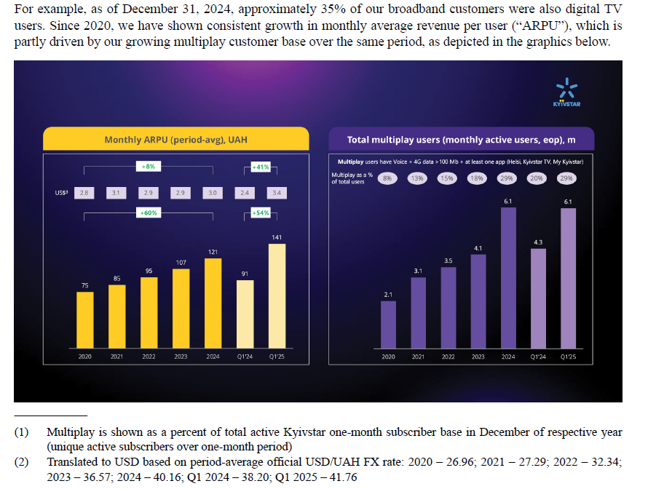
 | Historical inputs |  |  | 2020 | 2021 | 2022 | 2023 | 2024 | 1Q23 | 2Q23 | 3Q23 | 4Q23 | 1Q24 | 2Q24 | 3Q24 | 4Q24 | 1Q25 | 2Q25
 | In US$ m, unless otherwise stated |  |  | Dec-20 | Dec-21 | Dec-22 | Dec-23 | Dec-24 | Mar-23 | Jun-23 | Sep-23 | Dec-23 | Mar-24 | Jun-24 | Sep-24 | Dec-24 | Mar-25 | Jun-25
x | Key performance indicators

 |  | Doubleplay 4G customers |  |  |  |  | 7,042,184 | 5,596,753 |  |  |  |  | 6,661,541 |  |  |  | 6,190,506
 |  | Mobile ARPU | USD | 2.8 | 3.1 | 2.9 | 2.9 | 3.0 |  |  |  |  | 2.4 |  |  |  | 3.4 |  | 0.4
 |  | Mobile customers |  | 25,875,719 | 26,183,252 | 24,752,362 | 23,910,607 | 23,009,719 |  |  |  |  | 23,861,405 |  |  |  | 22,685,397
 |  | Multiplay customers |  | 2,100,000 | 3,100,000 | 3,500,000 | 4,094,242 | 6,149,846 |  |  |  |  | 4,348,871 |  |  |  | 6,119,685
 |  | Total digital monthly active users |  |  |  |  | 8,159,305 | 10,572,761 |  |  |  |  | 7,743,958 |  |  |  | 10,291,620

 |  | Digital MAU |  |  |  |  |  |  | 6.7 | 6.5 | 7.1 | 8.2 | 7.7 | 8.8 | 9.0 | 10.6 | 10.3 |  |  | VEON trading updates

x | Income statement

 |  | Service revenue |  |  |  |  | 911 | 915 |  |  |  |  | 185 |  |  |  | 254
 |  | Other revenue |  |  |  |  | 4 | 4 |  |  |  |  | 1 |  |  |  | 1
 |  | Total operating revenue |  |  |  |  | 915 | 919 |  |  |  |  | 186 | 235 |  |  | 255 | 284 |  |  | 0.37
 |  | Other operating income |  |  |  |  | 1 | 1
 |  | Service costs |  |  |  |  | (94) | (100) |  |  |  |  | (24) |  |  |  | (24)
 |  | Selling, general and administrative expenses |  |  |  |  | (284) | (305) |  |  |  |  | (69) |  |  |  | (91)
 |  | Depreciation |  |  |  |  | (127) | (118) |  |  |  |  | (31) | (28) |  |  | (31) | (35)
 |  | Amortization |  |  |  |  | (49) | (45) |  |  |  |  | (12) | (10) |  |  | (13) | (16)
 |  | Impairment, net |  |  |  |  | (1) | (3) |  |  |  |  | (1) | (1) |  |  | (2) | (2)
 |  | (Loss)/gain on disposal of non-current assets |  |  |  |  | 2 | (1)
 |  | Operating profit |  |  |  |  | 363 | 348 |  |  |  |  | 49 | 100 |  |  | 94 | 107
 |  | Finance costs |  |  |  |  | (82) | (82) |  |  |  |  | (21) | (21) |  |  | (21) | (18)
 |  | Finance income |  |  |  |  | 35 | 40 |  |  |  |  | 8 | 8 |  |  | 7 | 4
 |  | Other non-operating gain/(loss), net |  |  |  |  | (8) | 2 |  |  |  |  | 1 | -- |  |  | (1) | 2
 |  | Net foreign exchange gain |  |  |  |  | 38 | 39 |  |  |  |  | 8 | 2 |  |  | (21) | 8
 |  | Profit before tax |  |  |  |  | 346 | 347 |  |  |  |  | 45 | 89 |  |  | 58 | 103
 |  | Income taxes |  |  |  |  | (65) | (64) |  |  |  |  | (9) | (17) |  |  | (14) | (21)
 |  | Profit for the period |  |  |  |  | 281 | 283 |  |  |  |  | 36 | 72 |  |  | 44 | 82 |  | 0.22

 |  | Checks
 |  | OP |  |  |  |  | -- | -- |  |  |  |  | -- | (96) | -- | -- | -- | (124)
 |  | Net profit |  |  |  |  | -- | -- |  |  |  |  | -- | -- | -- | -- | -- | --

 | Revenue breakdown
 |  | Service revenue |  |  |  |  | 911 | 915 |  |  |  |  | 185 |  |  |  | 254
 |  | Mobile |  |  |  |  | 859 | 865 |  |  |  |  | 174 |  |  |  | 240 |  |  | 0.38
 |  | Fixed |  |  |  |  | 52 | 50 |  |  |  |  | 11 |  |  |  | 14
 |  | Others |  |  |  |  | 4 | 4 |  |  |  |  | 1 |  |  |  | 1
 |  | Total |  |  |  |  | 915 | 919 |  |  |  |  | 186 | 235 |  |  | 255 | 284

 | Adjusted EBITDA reconciliation

 |  | Operating profit |  |  |  |  | 363 | 348 |  |  |  |  | 49 | 100 |  |  | 94 | 107 |  | "We define Adjusted EBITDA as earnings before interest, tax, depreciation, amortization, impairment, gain/losson disposals of non-currentassets, net foreign exchange gain and other non-operatinggains/losses, net."
 |  | + Depreciation |  |  |  |  | 127 | 118 |  |  |  |  | 31 | 28 |  |  | 31 | 35
 |  | + Amortisation |  |  |  |  | 49 | 45 |  |  |  |  | 12 | 10 |  |  | 13 | 16
 |  | + Impairment, net |  |  |  |  | 1 | 3 |  |  |  |  | 1 | 1 |  |  | 2 | 2
 |  | (Loss)/gain on disposal of non-current assets |  |  |  |  | (2) | 1 |  |  |  |  | -- | -- |  |  | -- | --
 |  | Adjusted EBITDA |  |  |  |  | 538 | 515 |  |  |  |  | 93 | 139 |  |  | 140 | 165 |  |  | 51%
 |  |  |  |  |  |  |  |  |  |  |  |  | 50.0% | 59.1% |  |  | 54.9% | 58.1%
 | Capex
 |  | Purchases of property, plant and equipment |  |  |  |  | 207 | 237 |  |  |  |  | 40 |  |  |  | 85
 |  | Purchases of intangible assets |  |  |  |  | 50 | 94 |  |  |  |  | 9 |  |  |  | 9
 |  | Less: Additions in licenses |  |  |  |  | -- | 35 |  |  |  |  | -- |  |  |  | --
 |  | Less: Right-of-use assets |  |  |  |  | 102 | 75 |  |  |  |  | 24 |  |  |  | 43
 |  | Capex excl. licenses and ROU |  |  |  |  | 155 | 221 |  |  |  |  | 25 |  |  |  | 51

x | Balance Sheet

 |  | Assets
 |  | Non-current assets
 |  | Property and equipment |  |  |  |  | 597 | 624 |  |  |  |  |  |  |  |  | 703
 |  | Intangible assets |  |  |  |  | 272 | 297 |  |  |  |  |  |  |  |  | 297
 |  | Loan receivable from VEON Amsterdam |  |  |  |  | 343 | --
 |  | Other assets |  |  |  |  | 67 | 80 |  |  |  |  |  |  |  |  | 61
 |  | Total non-current assets |  |  |  |  | 1,279 | 1,001 |  |  |  |  |  |  |  |  | 1,061

 |  | Current assets
 |  | Inventories |  |  |  |  | 4 | 3 |  |  |  |  |  |  |  |  | 3
 |  | Trade and other receivables |  |  |  |  | 55 | 40 |  |  |  |  |  |  |  |  | 38
 |  | Loan receivable from VEON Amsterdam |  |  |  |  | -- | 363 |  |  |  |  |  |  |  |  | 369
 |  | Other financial assets – VEON Ltd. shares |  |  |  |  | -- | 8 |  |  |  |  |  |  |  |  | --
 |  | Receivable from VEON Amsterdam B.V. |  |  |  |  |  |  |  |  |  |  |  |  |  |  | 32
 |  | Investments and derivatives |  |  |  |  | 207 | 94 |  |  |  |  |  |  |  |  | 105
 |  | Other assets |  |  |  |  | 13 | 26 |  |  |  |  |  |  |  |  | 32
 |  | Cash and cash equivalents |  |  |  |  | 425 | 674 |  |  |  |  |  |  |  |  | 712
 |  | Total current assets |  |  |  |  | 704 | 1,208 |  |  |  |  |  |  |  |  | 1,291

 |  | Total assets |  |  |  |  | 1,983 | 2,209 |  |  |  |  |  |  |  |  | 2,352

 |  | Net investment and liabilities
 |  | Net investment
 |  | Net investment attributable to equity owners of the parent |  |  |  |  | 887 | 1,080 |  |  |  |  |  |  |  |  | 1,141
 |  | Total net investment |  |  |  |  | 887 | 1,080 |  |  |  |  |  |  |  |  | 1,141

 |  | Non-current liabilities
 |  | Debt and derivatives |  |  |  |  | 815 | 225 |  |  |  |  |  |  |  |  | 252
 |  | Provisions |  |  |  |  | 3 | 4 |  |  |  |  |  |  |  |  | 6
 |  | Deferred tax liabilities |  |  |  |  | 5 | 6 |  |  |  |  |  |  |  |  | 6
 |  | Other liabilities |  |  |  |  | 8 | 7 |  |  |  |  |  |  |  |  | 7
 |  | Total non-current liabilities |  |  |  |  | 831 | 242 |  |  |  |  |  |  |  |  | 271

 |  | Current liabilities
 |  | Trade and other payables |  |  |  |  | 120 | 132 |  |  |  |  |  |  |  |  | 146
 |  | Debt and derivatives |  |  |  |  | 83 | 669 |  |  |  |  |  |  |  |  | 708
 |  | Provisions |  |  |  |  | 5 | 6 |  |  |  |  |  |  |  |  | 7
 |  | Current income tax payables |  |  |  |  | 16 | 23 |  |  |  |  |  |  |  |  | 20
 |  | Other liabilities |  |  |  |  | 41 | 57 |  |  |  |  |  |  |  |  | 59
 |  | Total current liabilities |  |  |  |  | 265 | 887 |  |  |  |  |  |  |  |  | 940

 |  | Total net investment and liabilities |  |  |  |  | 1,983 | 2,209 |  |  |  |  |  |  |  |  | 2,352

 |  | Checks
 |  | Asset |  |  |  |  | -- | -- |  |  |  |  |  |  |  |  | -- | --
 |  | Liability |  |  |  |  | -- | -- |  |  |  |  |  |  |  |  | -- | --
 |  | Balance |  |  |  |  | -- | -- |  |  |  |  |  |  |  |  | -- | --

x | Cash flow statement

 |  | Operating activities
 |  | Profit before tax |  |  |  |  | 346 | 347
 |  | Non-cash adjustments to reconcile profit before tax to net cash flows
 |  | Depreciation, amortization and impairment loss |  |  |  |  | 177 | 166
 |  | (Loss)/gain on disposal of non-current assets |  |  |  |  | (2) | 1
 |  | Finance costs |  |  |  |  | 82 | 82
 |  | Finance income |  |  |  |  | (35) | (40)
 |  | Other non-operating gain/(loss), net |  |  |  |  | 8 | (2)
 |  | Net foreign exchange gain |  |  |  |  | (38) | (39)
 |  | Changes in trade, other receivables and prepayments |  |  |  |  | 28 | (10)
 |  | Changes in inventories |  |  |  |  | (2) | --
 |  | Changes in trade and other payables |  |  |  |  | (33) | 32
 |  | Changes in provisions, pensions and other |  |  |  |  | 3 | 4
 |  | Interest paid |  |  |  |  | (75) | (78)
 |  | Interest received |  |  |  |  | 16 | 19
 |  | Income tax paid |  |  |  |  | (62) | (52)
 |  | Net cash flows from operating activities |  |  |  |  | 413 | 430

 |  | Investing activities
 |  | Purchase of property, plant and equipment |  |  |  |  | (96) | (162)
 |  | Purchase of intangible assets |  |  |  |  | (47) | (86)
 |  | Payments on deposits |  |  |  |  | (52) | (13)
 |  | (Outflows)/Inflows on loans granted |  |  |  |  | 13 | (2)
 |  | Inflow/(Investment) in financial assets |  |  |  |  | (150) | 119
 |  | Other proceeds from investing activities, net |  |  |  |  | 5 | 12
 |  | Net cash flows used in investing activities |  |  |  |  | (327) | (132)

 |  | Financing activities
 |  | Repayment of debt |  |  |  |  | (88) | (29)
 |  | Investment in shares of VEON Ltd. |  |  |  |  | -- | (8)
 |  | Net cash flows used in financing activities |  |  |  |  | (88) | (37)

 |  | Net increase/(decrease) in cash and cash equivalents |  |  |  |  | (2) | 261
 |  | Net foreign exchange difference |  |  |  |  | (5) | (12)
 |  | Cash and cash equivalents at beginning of period |  |  |  |  | 432 | 425
 |  | Cash and cash equivalents at end of period |  |  |  |  | 425 | 674

 |  | Check
 |  | CFO |  |  |  |  | -- | --
 |  | CFI |  |  |  |  | -- | --
 |  | CFF |  |  |  |  | -- | --
 |  | Cash |  |  |  |  | -- | --

Initiation charts
 | In US$ m, unless otherwise stated

x | MOBILE

 |  | Mobile subscribers | 2020 | 2021 | 2022 | 2023 | 2024 | 1H25
 |  | Kyivstar | 48.9% | 48.2% | 50.9% | 48.1% | 47.2%
 |  | Vodafone Ukraine | 35.8% | 34.8% | 31.6% | 32.0% | 32.4%
 |  | Lifecell | 15.3% | 17.0% | 17.5% | 19.9% | 20.4%
 |  | Others | 0.0% | 0.0% | 0.0% | 0.0% | 0.0%

 |  | Broadband subscribers
 |  | Kyivstar |  |  |  |  | 14.1% | 14.0%
 |  | Ukrtelecom |  |  |  |  | 5.4% | 5.2%
 |  | Lifecell |  |  |  |  | 4.8% | 4.5%
 |  | Others |  |  |  |  | 75.7% | 76.3%

 |  | Penetation | 2024 | 1H25
 |  | Fixed mobile convergence | 85% | 83%
 |  | OTT TV | 35% | 35%

 |  | Network quality | Mbps
 |  | Kyivstar | 35.65
 |  | Vodafone Ukraine | 33.38
 |  | Lifecell | 29.42

 |  | 4G population coverage in Ukrainian controlled territories
 |  | Kyivstar | 96%
 |  | Vodafone Ukraine | 84%
 |  | Lifecell | 77%

 |  | Starlink deal
 |  |  | m
 |  | Rest of population | 34.4m
 |  | Population in occupied areas | 3.5m
 |  | Estimated population | 37.9m
 | Fixed service revenue, US$ m | LLC growth | USD growth
2023 | 52
2024 | 50 | 13.2% | -3.8%
2025 | 53 | 9.8% | 5.4%
2026 | 58 | 15.0% | 10.4%
2027 | 64 | 14.6% | 10.0%
2028 | 70 | 14.3% | 9.7%
2029 | 77 | 14.0% | 9.4%
2030 | 84 | 13.7% | 9.1%
2031 | 91 | 13.4% | 8.9%
2032 | 99 | 13.2% | 8.6%
2033 | 107 | 12.2% | 7.7%
2034 | 114 | 11.3% | 6.9%
2035 | 122 | 11.2% | 6.8%

x | FIXED |  | 2020 | 2021 | 2022 | 2023 | 2024 | 2025E | 2026E | 2027E | 2028E | 2029E | 2030E | 2031E | 2032E | 2033E | 2034E | 2035E

 |  | No. of households | 18.6 | 18.5 | 17.1 | 15.7 | 15.8 | 15.6 | 15.5 | 15.4 | 15.3 | 15.2 | 15.0 | 14.9 | 14.8 | 14.7 | 14.6 | 14.4
 |  | Kyivstar Fixed MAU | 1.1 | 1.2 | 1.2 | 1.2 | 1.1 | 1.2 | 1.3 | 1.4 | 1.5 | 1.6 | 1.7 | 1.8 | 1.9 | 2.0 | 2.1 | 2.2
 |  | Ukraine Fixed MAU | 7.8 | 7.6 | 7.2 | 8.1 | 8.0 | 8.4 | 8.8 | 9.2 | 9.6 | 10.0 | 10.3 | 10.7 | 11.1 | 11.3 | 11.5 | 11.7
 |  | Ukraine's Fixed penetration as % of HH | 41.7% | 41.0% | 42.0% | 51.3% | 50.7% | 53.7% | 56.7% | 59.7% | 62.7% | 65.7% | 68.7% | 71.7% | 74.7% | 76.7% | 78.7% | 80.7%

 |  | Fixed MAU | 1.1 | 1.2 | 1.2 | 1.2 | 1.1 | 1.2 | 1.3 | 1.4 | 1.5 | 1.6 | 1.7 | 1.8 | 1.9 | 2.0 | 2.1 | 2.2
 |  | Fixed penetration as % of HH | 6.0% | 6.5% | 6.7% | 7.3% | 7.2% | 7.8% | 8.5% | 9.1% | 9.9% | 10.6% | 11.3% | 12.1% | 12.9% | 13.6% | 14.3% | 14.9%
 |  | Fixed ARPU, USD - Net basis |  | 4.9 | 4.0 | 3.5 | 3.5 | 3.6 | 3.7 | 3.8 | 3.9 | 4.1 | 4.2 | 4.3 | 4.4 | 4.5 | 4.6 | 4.8 |  | 2.7%
 | Net Revenue - Kyivstar, US$ m | Gross Revenue - Kyivstar, US$ m | USD growth | LLC growth
2023 | 3 | 11
2024 | 5 | 20 | 79.6% | 97.2%
2025 | 8 | 29 | 50.1% | 56.4%
2026 | 10 | 38 | 29.1% | 34.5%
2027 | 13 | 47 | 25.2% | 30.4%
2028 | 15 | 58 | 22.0% | 27.1%
2029 | 18 | 69 | 19.3% | 24.2%
2030 | 21 | 81 | 16.9% | 21.8%
2031 | 25 | 93 | 14.9% | 19.7%
2032 | 28 | 105 | 13.2% | 17.9%
2033 | 31 | 117 | 11.6% | 16.3%
2034 | 34 | 129 | 10.3% | 14.9%
2035 | 37 | 141 | 9.0% | 13.6%
 |  | Fixed ARPU, USD - Gross basis |  | - | (0.2) | (0.1) | 0.0 | 0.0 | 0.0 | 0.0 | 0.0 | 0.0 | 0.0 | 0.0 | 0.0 | 0.0 | 0.0 | 0.0
 |  | Fixed service revenue, US$ m | 59 | 68 | 57 | 52 | 50 | 53 | 58 | 64 | 70 | 77 | 84 | 91 | 99 | 107 | 114 | 122 |  | 8.4%
 |  | USD growth |  |  |  |  | -3.8% | 5.4% | 10.4% | 10.0% | 9.7% | 9.4% | 9.1% | 8.9% | 8.6% | 7.7% | 6.9% | 6.8%
 |  | LLC growth |  |  |  |  | 13.2% | 9.8% | 15.0% | 14.6% | 14.3% | 14.0% | 13.7% | 13.4% | 13.2% | 12.2% | 11.3% | 11.2%

x | DIGITAL
 |  |  | 1Q23 | 2Q23 | 3Q23 | 4Q23 | 1Q24 | 2Q24 | 3Q24 | 4Q24 | 1Q25 | 2Q25
 |  | Digital MAU | 6.7 | 6.5 | 7.1 | 8.2 | 7.7 | 8.8 | 9.0 | 10.6 | 10.3 | 13.4
 |  | Direct digital revenue , UAH m | 118 | 127 | 45 | 106 | 137 | 225 | 232 | 286 | 329 | 1,263
 |  | Total revenue, UAH m | 8,346 | 8,609 | 8,711 | 7,921 | 7,169 | 9,425 | 10,267 | 10,413 | 10,720 | 11,857
 |  | % of total revenue | 1.4% | 1.5% | 0.5% | 1.3% | 1.9% | 2.4% | 2.3% | 2.7% | 3.1% | 10.7%

 |  | Kyivstar TV | 2022 | 2023 | 2024 | 2025E | 2026E | 2027E | 2028E | 2029E | 2030E | 2031E | 2032E | 2033E | 2034E | 2035E
 |  | Kyivstar TV MAU | 1.1 | 1.3 | 2.0 | 2.3 | 2.6 | 2.9 | 3.2 | 3.5 | 3.8 | 4.1 | 4.4 | 4.7 | 5.0 | 5.3
 |  | Kyivstar TV MAU as % of Pop | 2.7% | 3.4% | 5.3% | 6.1% | 7.0% | 7.8% | 8.7% | 9.6% | 10.5% | 11.5% | 12.4% | 13.3% | 14.3% | 15.3%
 |  | Estimated Kyivstar TV ARPU - Net basis | 0.0 | 0.2 | 0.3 | 0.3 | 0.3 | 0.4 | 0.4 | 0.5 | 0.5 | 0.5 | 0.5 | 0.6 | 0.6 | 0.6
 |  | Estimated Kyivstar TV ARPU - Gross basis | 0.0 | 0.8 | 1.0 | 1.1 | 1.3 | 1.4 | 1.6 | 1.7 | 1.8 | 2.0 | 2.1 | 2.1 | 2.2 | 2.3
 |  | Net Revenue - Kyivstar, US$ m | 0 | 3 | 5 | 8 | 10 | 13 | 15 | 18 | 21 | 25 | 28 | 31 | 34 | 37 |  | 19.7%
 |  | Gross Revenue - Kyivstar, US$ m | 0 | 11 | 20 | 29 | 38 | 47 | 58 | 69 | 81 | 93 | 105 | 117 | 129 | 141
 |  | USD growth |  |  | 79.6% | 50.1% | 29.1% | 25.2% | 22.0% | 19.3% | 16.9% | 14.9% | 13.2% | 11.6% | 10.3% | 9.0%
 | Revenue - Helsi, US$ m | USD growth | LLC growth
2023 | 3.6
2024 | 5.1 | 41.3% | 55.2%
2025 | 6.3 | 23.7% | 28.9%
2026 | 7.8 | 23.5% | 28.6%
2027 | 8.8 | 12.1% | 16.7%
2028 | 9.8 | 11.8% | 16.5%
2029 | 10.9 | 11.6% | 16.3%
2030 | 12.2 | 11.4% | 16.1%
2031 | 13.6 | 11.3% | 15.9%
2032 | 15.1 | 11.1% | 15.7%
2033 | 16.7 | 10.9% | 15.6%
2034 | 18.5 | 10.8% | 15.4%
2035 | 20.5 | 10.6% | 15.3%
 |  | LLC growth |  |  | 97.2% | 56.4% | 34.5% | 30.4% | 27.1% | 24.2% | 21.8% | 19.7% | 17.9% | 16.3% | 14.9% | 13.6%

 |  | Helsi | 2022 | 2023 | 2024 | 2025E | 2026E | 2027E | 2028E | 2029E | 2030E | 2031E | 2032E | 2033E | 2034E | 2035E
 |  | Helsi MAU | 1.5 | 2.5 | 2.4 | 2.9 | 3.4 | 3.6 | 3.8 | 4.0 | 4.2 | 4.4 | 4.7 | 4.9 | 5.1 | 5.4
 |  | Helsi MAU as % of Pop | 3.7% | 6.6% | 6.3% | 7.6% | 9.0% | 9.6% | 10.3% | 11.0% | 11.7% | 12.4% | 13.1% | 13.9% | 14.7% | 15.5%
 |  | Estimated Helsi ARPU - US$ | 0.00 | 0.15 | 0.17 | 0.18 | 0.19 | 0.21 | 0.22 | 0.23 | 0.24 | 0.26 | 0.27 | 0.28 | 0.30 | 0.32
 |  | Revenue - Helsi, US$ m | 0.0 | 3.6 | 5.1 | 6.3 | 7.8 | 8.8 | 9.8 | 10.9 | 12.2 | 13.6 | 15.1 | 16.7 | 18.5 | 20.5 |  | 13.4%
 |  | USD growth |  |  | 41.3% | 23.7% | 23.5% | 12.1% | 11.8% | 11.6% | 11.4% | 11.3% | 11.1% | 10.9% | 10.8% | 10.6%
 |  | LLC growth |  |  | 55.2% | 28.9% | 28.6% | 16.7% | 16.5% | 16.3% | 16.1% | 15.9% | 15.7% | 15.6% | 15.4% | 15.3%

 |  | Uklon | 2022 | 2023 | 2024 | 2025E | 2026E | 2027E | 2028E | 2029E | 2030E | 2031E | 2032E | 2033E | 2034E | 2035E
 |  | Uklon MAU | 0.0 | 0.0 | 2.9 | 3.6 | 4.2 | 4.8 | 5.2 | 5.4 | 5.6 | 5.8 | 5.9 | 6.1 | 6.2 | 6.4
 |  | Uklon MAU as % of Pop |  |  | 7.6% | 9.6% | 11.4% | 12.9% | 14.1% | 15.0% | 15.5% | 16.1% | 16.7% | 17.3% | 17.9% | 18.5%
 |  | Estimated Uklon ARPU - US$ | 0.0 | 0.0 | 2.0 | 2.1 | 2.2 | 2.3 | 2.4 | 2.6 | 2.7 | 2.9 | 3.1 | 3.2 | 3.4 | 3.6
 |  | Revenue - Uklon, US$ m | 40 | 52 | 67 | 89 | 111 | 132 | 151 | 168 | 183 | 200 | 217 | 236 | 256 | 278 |  | 13.8%
 |  | USD growth |  |  | 29.0% | 33.2% | 24.3% | 18.7% | 14.7% | 11.5% | 8.9% | 8.8% | 8.7% | 8.6% | 8.6% | 8.5%
 |  | LLC growth |  |  | 41.7% | 38.8% | 29.5% | 23.6% | 19.5% | 16.2% | 13.4% | 13.3% | 13.2% | 13.2% | 13.1% | 13.0%

 |  | Enterprise | 2022 | 2023 | 2024 | 2025E | 2026E | 2027E | 2028E | 2029E | 2030E | 2031E | 2032E | 2033E | 2034E | 2035E
 |  | Revenue - Enterprise, US$ m | 0 | 4 | 12 | 22 | 36 | 52 | 67 | 80 | 89 | 96 | 100 | 103 | 105 | 107 |  | 22.4%
 |  | USD growth |  |  | 169.0% | 92.0% | 63.2% | 43.0% | 28.9% | 19.0% | 12.1% | 7.3% | 3.9% | 3.1% | 2.4% | 1.8%
 |  | LLC growth |  |  | 195.4% | 100.0% | 70.0% | 49.0% | 34.3% | 24.0% | 16.8% | 11.8% | 8.2% | 7.4% | 6.7% | 6.0%

 |  | Digital revenue by verticals, US$ m | 2022 | 2023 | 2024 | 2025E | 2026E | 2027E | 2028E | 2029E | 2030E | 2031E | 2032E | 2033E | 2034E | 2035E
 |  | Helsi |  | 4 | 5 | 6 | 8 | 9 | 10 | 11 | 12 | 14 | 15 | 17 | 19 | 20 |  | 13.4%
 |  | Kyivstar TV - Net |  | 3 | 5 | 8 | 10 | 13 | 15 | 18 | 21 | 25 | 28 | 31 | 34 | 37 |  | 19.7%
 |  | B2B/Cloud |  | 4 | 12 | 22 | 36 | 52 | 67 | 80 | 89 | 96 | 100 | 103 | 105 | 107 |  | 22.4%
 |  | Uklon |  | -- | -- | 76 | 111 | 132 | 151 | 168 | 183 | 200 | 217 | 236 | 256 | 278
 |  | Adjustments |  | -- | -- | -- | -- | -- | -- | -- | -- | -- | -- | -- | -- | --
 |  | Direct Digital revenue |  | 11 | 22 | 112 | 165 | 205 | 243 | 278 | 306 | 334 | 360 | 386 | 414 | 443 |  | 31.4%
 |  | Digital revenue as % of sales - Net basis for Kyivstar TV |  | 1% | 2% | 11% | 15% | 17% | 19% | 20% | 22% | 22% | 23% | 23% | 24% | 25%
 |  |  |  |  |  | 7.3% | 9.9% | 10.9% | 11.7% | 12.4% | 12.9% | 13.4% | 13.8% | 14.3% | 14.8% | 15.4%
 |  | Check |  | -- | -- | -- | -- | -- | -- | -- | -- | -- | -- | -- | -- | --

 |  | Digital revenue by verticals, US$ m | 2022 | 2023 | 2024 | 2025E | 2026E | 2027E | 2028E | 2029E | 2030E | 2031E | 2032E | 2033E | 2034E | 2035E
 |  | Helsi |  | 4 | 5 | 6 | 8 | 9 | 10 | 11 | 12 | 14 | 15 | 17 | 19 | 20 |  | 13.4%
 |  | Kyivstar TV - Gross |  | 11 | 20 | 29 | 38 | 47 | 58 | 69 | 81 | 93 | 105 | 117 | 129 | 141 |  | 19.7%
 |  | B2B/Cloud |  | 4 | 12 | 22 | 36 | 52 | 67 | 80 | 89 | 96 | 100 | 103 | 105 | 107 |  | 22.4%
 |  | Uklon |  | -- | -- | 76 | 111 | 132 | 151 | 168 | 183 | 200 | 217 | 236 | 256 | 278
 |  | Adjustments |  | -- | -- | -- | -- | -- | -- | -- | -- | -- | -- | -- | -- | --
 |  | Direct Digital revenue |  | 19 | 36 | 134 | 193 | 240 | 286 | 328 | 366 | 402 | 436 | 472 | 509 | 546 |  | 28.0%
 |  | Digital revenue as % of sales - Gross basis for Kyivstar TV |  | 2% | 4% | 13% | 17% | 20% | 22% | 24% | 26% | 27% | 28% | 29% | 30% | 30%

 |  | Two more Uklons from 2026 onwards | 2022 | 2023 | 2024 | 2025E | 2026E | 2027E | 2028E | 2029E | 2030E | 2031E | 2032E | 2033E | 2034E | 2035E
 |  | Total revenue, US$ m |  | 915 | 919 | 1,033 | 1,122 | 1,208 | 1,291 | 1,355 | 1,423 | 1,494 | 1,568 | 1,644 | 1,724 | 1,806
 |  | Status quo - % YoY |  |  | 0.4% | 12.4% | 8.6% | 7.7% | 6.8% | 5.0% | 5.0% | 5.0% | 5.0% | 4.9% | 4.8% | 4.8%
 |  | 2 more Uklons |  | 0 | 0 |  | 222 | 263 | 302 | 337 | 367 | 399 | 434 | 471 | 512 | 555
 |  | Total revenue with 2 more Uklons, US$ m |  | 915 | 919 | 1,033 | 1,344 | 1,472 | 1,593 | 1,692 | 1,790 | 1,893 | 2,002 | 2,116 | 2,235 | 2,362 |  | 9.0%
 |  | 2 more Uklons, net - % YoY |  |  | 0.4% | 12.4% | 30.1% | 9.5% | 8.2% | 6.2% | 5.8% | 5.8% | 5.7% | 5.7% | 5.7% | 5.7%
 |  | Initial Digital+2 more Uklons |  | 11 | 22 | 112 | 387 | 468 | 545 | 614 | 673 | 733 | 793 | 858 | 926 | 998
 |  | Direct Digital revenue as % of sales |  | 1% | 2% | 11% | 29% | 32% | 34% | 36% | 38% | 39% | 40% | 41% | 41% | 42%

 |  | Total revenue with 2 more Uklons,Gross US$ m |  | 923 | 933 | 1,054 | 1,371 | 1,507 | 1,635 | 1,743 | 1,849 | 1,961 | 2,078 | 2,201 | 2,330 | 2,465
 |  | 2 more Uklons, gross - % YoY |  |  | 1.1% | 12.9% | 30.1% | 9.9% | 8.5% | 6.6% | 6.1% | 6.0% | 6.0% | 5.9% | 5.8% | 5.8%
 |  | Initial Digital+2 more Uklons, gross |  | 19 | 36 | 134 | 415 | 503 | 588 | 665 | 732 | 801 | 870 | 944 | 1,020 | 1,101
 |  | 2 more Uklon, gross |  | 2% | 4% | 13% | 30% | 33% | 36% | 38% | 40% | 41% | 42% | 43% | 44% | 45%

x | Financials

 |  | Revenue
 | Core telco revenue | Core telco revenue - USD growth | Core telco revenue - LLC growth
2023 | 900
2024 | 893 | -0.8% | 9.0%
2025 | 916 | 2.6% | 6.9%
2026 | 953 | 4.0% | 8.3%
2027 | 1,000 | 4.9% | 9.3%
2028 | 1,044 | 4.4% | 8.8%
2029 | 1,075 | 2.9% | 7.2%
2030 | 1,113 | 3.6% | 7.9%
2031 | 1,157 | 3.9% | 8.2%
2032 | 1,205 | 4.2% | 8.5%
2033 | 1,255 | 4.1% | 8.5%
2034 | 1,307 | 4.1% | 8.5%
2035 | 1,361 | 4.1% | 8.5%
 | Revenue - Uklon, US$ m | USD growth | LLC growth
2023 | 52
2024 | 67 | 29.0% | 41.7%
2025 | 89 | 33.2% | 38.8%
2026 | 111 | 24.3% | 29.5%
2027 | 132 | 18.7% | 23.6%
2028 | 151 | 14.7% | 19.5%
2029 | 168 | 11.5% | 16.2%
2030 | 183 | 8.9% | 13.4%
2031 | 200 | 8.8% | 13.3%
2032 | 217 | 8.7% | 13.2%
2033 | 236 | 8.6% | 13.2%
2034 | 256 | 8.6% | 13.1%
2035 | 278 | 8.5% | 13.0%
 |  | US$ m | 2023 | 2024 | 2025E | 2026E | 2027E | 2028E | 2029E | 2030E | 2031E | 2032E | 2033E | 2034E | 2035E
 |  | Core telco revenue | 900 | 893 | 916 | 953 | 1,000 | 1,044 | 1,075 | 1,113 | 1,157 | 1,205 | 1,255 | 1,307 | 1,361 |  | 3.9%
 |  | Digital revenue | 11 | 22 | 112 | 165 | 205 | 243 | 278 | 306 | 334 | 360 | 386 | 414 | 443 |  | 31.4%
 |  | Total revenue | 911 | 915 | 1,029 | 1,118 | 1,205 | 1,287 | 1,352 | 1,420 | 1,491 | 1,565 | 1,642 | 1,721 | 1,804

 |  | Core telco revenue - USD growth |  | -0.8% | 2.6% | 4.0% | 4.9% | 4.4% | 2.9% | 3.6% | 3.9% | 4.2% | 4.1% | 4.1% | 4.1%
 |  | Core telco revenue - LLC growth |  | 9.0% | 6.9% | 8.3% | 9.3% | 8.8% | 7.2% | 7.9% | 8.2% | 8.5% | 8.5% | 8.5% | 8.5%

 | Revenue - Enterprise, US$ m | USD growth | LLC growth
2023 | 4
2024 | 12 | 169.0% | 195.4%
2025 | 22 | 92.0% | 100.0%
2026 | 36 | 63.2% | 70.0%
2027 | 52 | 43.0% | 49.0%
2028 | 67 | 28.9% | 34.3%
2029 | 80 | 19.0% | 24.0%
2030 | 89 | 12.1% | 16.8%
2031 | 96 | 7.3% | 11.8%
2032 | 100 | 3.9% | 8.2%
2033 | 103 | 3.1% | 7.4%
2034 | 105 | 2.4% | 6.7%
2035 | 107 | 1.8% | 6.0%
 | Revenue | USD growth | LLC growth
2023 | 915
2024 | 919 | 0.4% | 10.3%
2025 | 1,033 | 12.4% | 17.0%
2026 | 1,122 | 8.6% | 13.2%
2027 | 1,208 | 7.7% | 12.2%
2028 | 1,291 | 6.8% | 11.3%
2029 | 1,355 | 5.0% | 9.4%
2030 | 1,423 | 5.0% | 9.4%
2031 | 1,494 | 5.0% | 9.3%
2032 | 1,568 | 5.0% | 9.3%
2033 | 1,644 | 4.9% | 9.3%
2034 | 1,724 | 4.8% | 9.2%
2035 | 1,806 | 4.8% | 9.2%
 |  | Digital revenue | 2023 | 2024 | 2025E | 2026E
 |  | Digital revenue as % of sales - Net basis for KyivstarTV | 1.2% | 2.4% | 10.9% | 14.7%
 |  | Digital revenue as % of sales - Gross basis for KyivstarTV | 2.0% | 3.9% | 12.7% | 16.8%

 |  | Net basis
 |  | Total revenue - Net | 911 | 915 | 1,029 | 1,118
 |  | Digital revenue - Net | 11 | 22 | 112 | 165
 |  | KyivstarTV - Net | 3 | 5 | 8 | 10

 |  | Gross basis
 |  | Total revenue - Gross | 919 | 929 | 1,050 | 1,146
 |  | Digital revenue - Gross | 19 | 36 | 134 | 193
 |  | KyivstarTV - Gross | 11 | 20 | 29 | 38
 |  |  |  |  | 0.12734629734 | 0.16834209903

 |  | ROIC | 2024
 |  | Kyivstar | 15.0%
 |  | Vodafone Ukraine | 18.7% |  | Workings under VEON model > Ukraine market
 |  | Lifecell

 | BASE CASE |  |  |  |  |  |  |  |  |  |  |  |  |  |  |  |  |  |  |  |  |  | CAGR
 |  | US$ m | 2016 | 2017 | 2018 | 2019 | 2020 | 2021 | 2022 | 2023 | 2024 | 2025E | 2026E | 2027E | 2028E | 2029E | 2030E | 2031E | 2032E | 2033E | 2034E | 2035E | 24-35E
 |  | Core telco |  |  |  |  |  |  |  | 900 | 893 | 916 | 953 | 1,000 | 1,044 | 1,075 | 1,113 | 1,157 | 1,205 | 1,255 | 1,307 | 1,361 | 3.9%
 |  | Digital revenue |  |  |  |  |  |  |  | 11 | 22 | 112 | 165 | 205 | 243 | 278 | 306 | 334 | 360 | 386 | 414 | 443 | 31.4%
 |  | Revenue |  |  |  |  | 933 | 1,053 | 961 | 915 | 919 | 1,033 | 1,122 | 1,208 | 1,291 | 1,355 | 1,423 | 1,494 | 1,568 | 1,644 | 1,724 | 1,806 | 6.3%
 |  | USD growth |  |  |  |  |  |  |  |  | 0.4% | 12.4% | 8.6% | 7.7% | 6.8% | 5.0% | 5.0% | 5.0% | 5.0% | 4.9% | 4.8% | 4.8%
 |  | LLC growth |  |  |  |  |  |  |  |  | 10.3% | 17.0% | 13.2% | 12.2% | 11.3% | 9.4% | 9.4% | 9.3% | 9.3% | 9.3% | 9.2% | 9.2%

 | EBITDA | USD growth | LLC growth
2023 | 538
2024 | 515 | -4.3% | 5.1%
2025 | 548 | 6.3% | 10.8%
2026 | 578 | 5.6% | 10.0%
2027 | 605 | 4.6% | 9.0%
2028 | 633 | 4.7% | 9.0%
2029 | 657 | 3.7% | 8.0%
2030 | 684 | 4.1% | 8.5%
2031 | 718 | 5.0% | 9.3%
2032 | 753 | 5.0% | 9.3%
2033 | 790 | 4.9% | 9.3%
2034 | 828 | 4.8% | 9.2%
2035 | 868 | 4.8% | 9.2%
 |  | % YoY
 |  | Core telco - % YoY |  |  |  |  |  |  |  |  | -0.8% | 2.6% | 4.0% | 4.9% | 4.4% | 2.9% | 3.6% | 3.9% | 4.2% | 4.1% | 4.1% | 4.1%
 |  | Digital - % YoY |  |  |  |  |  |  |  |  | 102.4% | 412.3% | 47.1% | 24.1% | 18.6% | 14.1% | 10.4% | 8.9% | 7.8% | 7.4% | 7.2% | 6.9%

 | Core telco | Digital revenue | Core telco - % YoY | Digital - % YoY
2023 | 900 | 11
2024 | 893 | 22 | -0.8% | 102.4%
2025 | 916 | 112 | 2.6% | 412.3%
2026 | 953 | 165 | 4.0% | 47.1%
2027 | 1,000 | 205 | 4.9% | 24.1%
2028 | 1,044 | 243 | 4.4% | 18.6%
2029 | 1,075 | 278 | 2.9% | 14.1%
2030 | 1,113 | 306 | 3.6% | 10.4%
2031 | 1,157 | 334 | 3.9% | 8.9%
2032 | 1,205 | 360 | 4.2% | 7.8%
2033 | 1,255 | 386 | 4.1% | 7.4%
2034 | 1,307 | 414 | 4.1% | 7.2%
2035 | 1,361 | 443 | 4.1% | 6.9%
 |  | EBITDA |  |  |  |  |  |  |  | 538 | 515 | 548 | 578 | 605 | 633 | 657 | 684 | 718 | 753 | 790 | 828 | 868
 |  | USD growth |  |  |  |  |  |  |  |  | -4.3% | 6.3% | 5.6% | 4.6% | 4.7% | 3.7% | 4.1% | 5.0% | 5.0% | 4.9% | 4.8% | 4.8%
 |  | LLC growth |  |  |  |  |  |  |  |  | 5.1% | 10.8% | 10.0% | 9.0% | 9.0% | 8.0% | 8.5% | 9.3% | 9.3% | 9.3% | 9.2% | 9.2%

 |  | ROIC
 |  | EBIT |  |  | 288.7 | 434.6 | 470.2 | 534.4 | 382.9 | 363.0 | 348.0 | 352.2 | 355.1 | 353.5 | 358.2 | 362.6 | 370.7 | 386.1 | 403.6 | 423.3 | 428.2 | 448.1
 |  | (-) Cash taxes |  |  | -52 | -78 | -85 | -96 | -69 | -65 | -63 | -63 | -64 | -64 | -64 | -65 | -67 | -69 | -73 | -76 | -77 | -81
 |  | NOPAT |  |  | 237 | 356 | 386 | 438 | 314 | 298 | 285 | 289 | 291 | 290 | 294 | 297 | 304 | 317 | 331 | 347 | 351 | 367

 |  | Capex ex. ROU and license | 104.6 | 98.4 | 114.0 | 154.4 | 180 | 203 | 184 | 155 | 221 | 238 | 255 | 271 | 280 | 285 | 290 | 294 | 298 | 301 | 315 | 331
 |  | Spectrum |  |  | 211 | 211 | 211 | 211 | 211 | 211 | 245 | 245 | 245 | 245 | 245 | 245 | 245 | 245 | 245 | 245 | 245 | 245
 |  | Invested Capital |  |  | 740 | 823 | 863 | 961 | 1,047 | 1,088 | 1,189 | 1,247 | 1,299 | 1,386 | 1,511 | 1,575 | 1,626 | 1,665 | 1,692 | 1,713 | 1,743 | 1,784

 |  | Capex/sales |  |  |  |  | 19.3% | 19.3% | 19.2% | 16.9% | 24.0% | 23.1% | 22.7% | 22.4% | 21.7% | 21.0% | 20.4% | 19.7% | 19.0% | 18.3% | 18.3% | 18.3%

 |  | Kyivstar ROIC |  |  | 32.0% | 43.3% | 44.7% | 45.6% | 30.0% | 27.3% | 24.0% | 23.1% | 22.4% | 20.9% | 19.4% | 18.9% | 18.7% | 19.0% | 19.6% | 20.3% | 20.1% | 20.6%

x | Valuation
 |  |  | Sales | Sales | EBITDA margin | EBITDA margin | EBITDA | EBITDA |  | EV/Sales | EV/Sales | EV/EBITDA |  |  |  | 2025E |  | 2025E
 |  | EV | 2024 | 2025E | 2024 | 2025E | 2024 | 2025E |  | 2024 | 2025E | 2024 | 2025E |  |  | EV/Sales |  | EV/EBITDA
 | Uklon | 160 | 67 | 89 | 27% | 27% | 18.1 | 24.1 |  | 2.4x | 1.8x | 8.8x | 6.6x |  | Uklon | 1.8x | Uklon | 6.6x
 | Uber |  |  |  |  |  |  |  |  | 4.4x | 3.8x | 29.9x | 22.2x |  | Lyft | 0.7x | Lyft | 8.6x
 | Lyft |  |  |  |  |  |  |  |  | 0.8x | 0.7x | 11.7x | 8.6x |  | GoTo | 2.5x | Uber | 22.2x
 | Grab |  |  |  |  |  |  |  |  | 5.1x | 4.2x | 46.0x | 30.2x |  | Uber | 3.8x | GoTo | 28.7x
 | GoTo |  |  |  |  |  |  |  |  | 2.9x | 2.5x | 142.5x | 28.7x |  | Grab | 4.2x | Grab | 30.2x

 | EFCF yield |  | 2023 | 2024 | 2025E | 2026E | 2027E | 2028E | 2029E | 2030E | 2031E | 2032E | 2033E | 2034E | 2035E
 | Base case |  |  | 5.1% | 5.9% | 6.8% | 7.5% | 8.3% | 9.1% | 10.4% | 11.9% | 13.6% | 15.5% | 17.4% | 19.3%
 | Bull case |  |  | 5.2% | 6.5% | 7.9% | 8.6% | 9.7% | 11.0% | 12.6% | 14.5% | 16.7% | 19.2% | 21.6% | 24.2%

x

Business structure
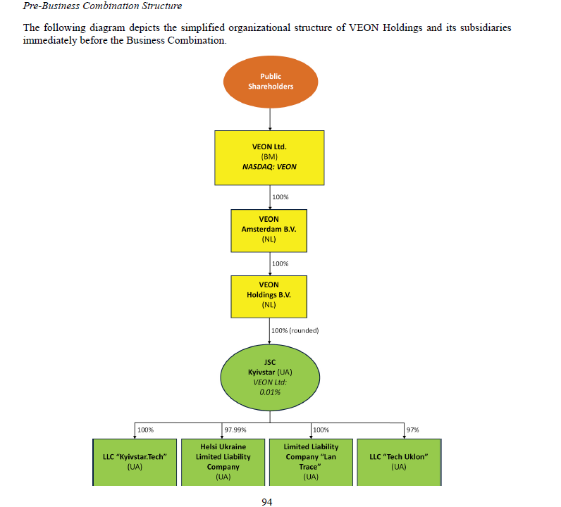
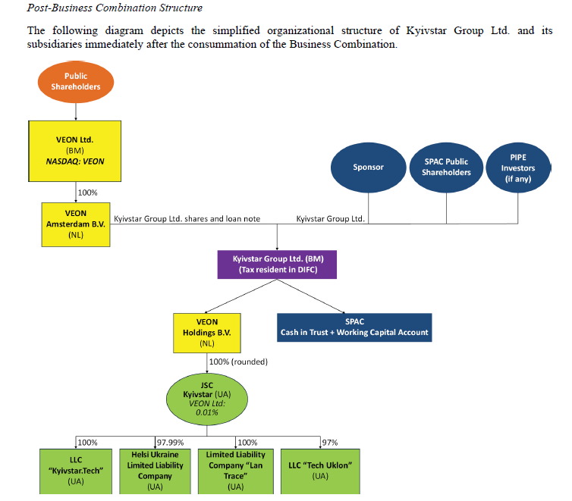

 |  |  |  |  |  |  |  |  |  | VEON AMS = the seller

EMPLOYEES
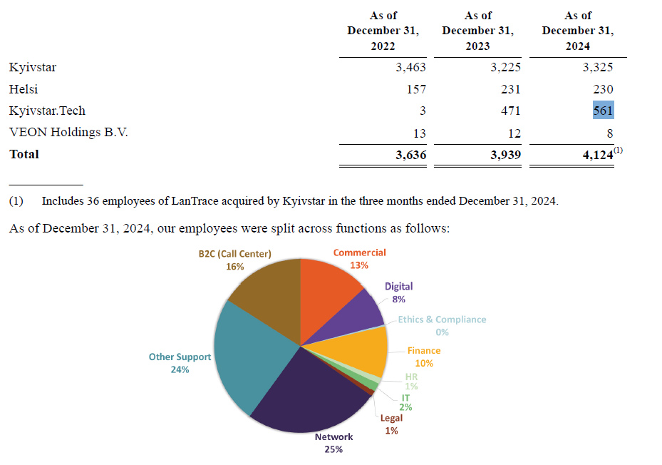

 |  |  |  |  |  |  |  | Rev per employee, USD/employee
 |  |  |  | Kyivstar | 3325 | 80.6%
 |  |  |  | Helsi | 230 | 5.6%
 |  |  |  | KyivstarTech | 561 | 13.6% | KyivstarTech | 42,781 | Mentioned in S4 earned USD24m
 |  |  |  | VEON | 8 | 0.2% | NCS | 163,968
 |  |  |  |  | 4124

BUSINESSES

 | Kyivstar | MOBILE AND FIXED SERVICES | 76% mobile customers are B2C for Kyivstar
 | Kyivstar TV |  | For example, as of December 31, 2024, approximately 35% of our broadband customers were also digital TVusers.
 | Kyivstar Tech | Big data, cloud | Provide cloud-based tech solutions to 500 b2b
 | Helsi | Digital healthcare | subscription video on demand, transactionalvideo on demand, advertising -based video on demand and free ad -supported streaming television. we introduced two new subscriptions through our digital healthcare platform, Helsi: Helsi Planand Helsi Plus, which launched in 2023 and 2024, respectively. The Helsi Plan enhances appointment features,data access and medical data storage, while Helsi Plus offers interpretation of medical analyses, which assistscustomers in understanding their test results. Both plans represent an advancement in digital health technologyfor our customers with additional products under development
 | Uklon | Ride hailing and delivery in Ukraine and Uzbekistan
 | Adwisor | Adtech | specifically designed for B2B customers, enabling seamlesscampaign management, targeted audience engagement and data -driven optimization. As of December 31, 2024,we had approximately 1,900 contracted customers on our Adwisor platform.

Workings
x | 1H25 results vs NSR forecasts

 | US$ m | 1H24 | 2H24 | 2024 | 1H25 | 2025E |  | 1H25 as % of 2025E
 | Revenue | 421 | 498 | 919 | 539 | 1033 |  | 52.2%
 | EBITDA | 232 | 283 | 515 | 306 | 548 |  | 55.9%
 | Capex | 75 | 146 | 221 | 134 | 238 |  | 56.2%

 | ARPU, LLC | 106.6 | 135 | 121 | 143.2 | 145.2

 | Gross debt |  |  | 894 | 410 | 329
 | Cash |  |  | 674 | 458 | 655
 | Net debt |  |  | 220 | -48 | -326

 | EBITDA margin | 55.1% | 56.8% | 56.0% | 56.8% | 53.0%
 | Capex/sales | 17.8% | 29.3% | 24.0% | 24.9% | 23.1%

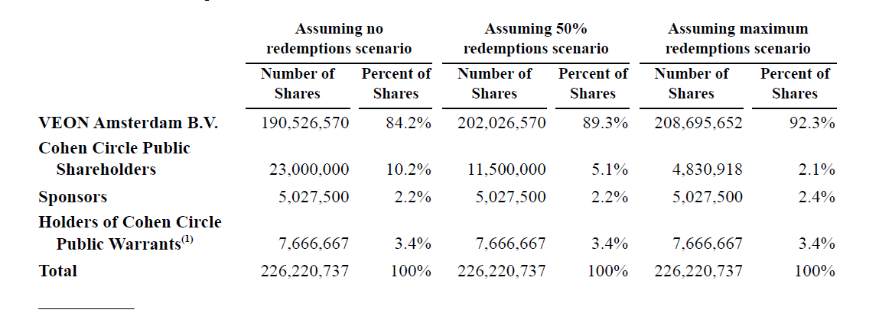
x | Oct 2024, CC IPO'd with 23m shares at $10 each, raised $230m. Each share consist of 1 Class A and 1/3 of redeemable warrant with a $11.5 exercise price.
 | Did a private placement - 7.15m at $10 and raised $7.15m.
 | In total, $231.15m was placed in a trust.

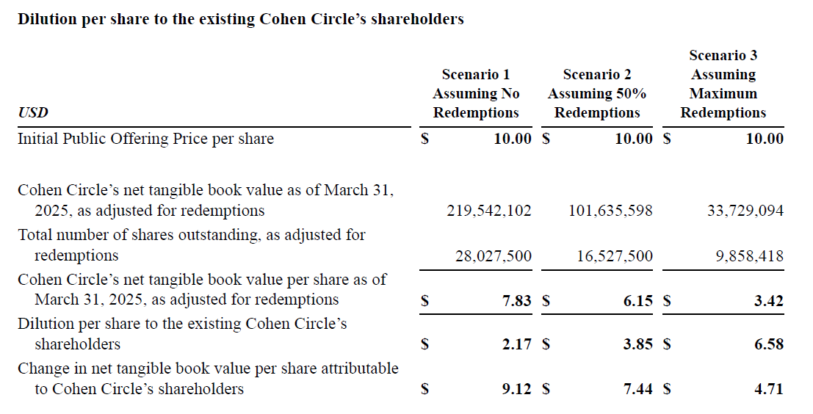
 |  | Assuming no redemptions | 50% redemptions | 100% redemptions
 |  | 0% | 50% | 100%
 | CCIR shares | 28.0275 | 16.5275 | 9.858418
 | CCIR sharesholders | 23 | 11.5 | 4.830918 |  | Max redeemable = 18.2m
 | Sponsors | 5.0275 | 5.0275 | 5.0275

x | Digital breakdown
 | 41.83 | UAH m | UAH m | USD m |  | UAH m | UAH m
 |  | 1Q24 | 1Q25 | 1Q25 |  | 2023 | 2024
 | Helsi | 98 | 138 | 3.3 |  |  | 205.7
 | Kyivstar TV | 65 | 181 | 4.3 |  |  | 208.9
 | B2B/Cloud |  | 10 | 0.2

 | Reported Digital revenue | 137 | 329 | 7.9 |  |  | 880

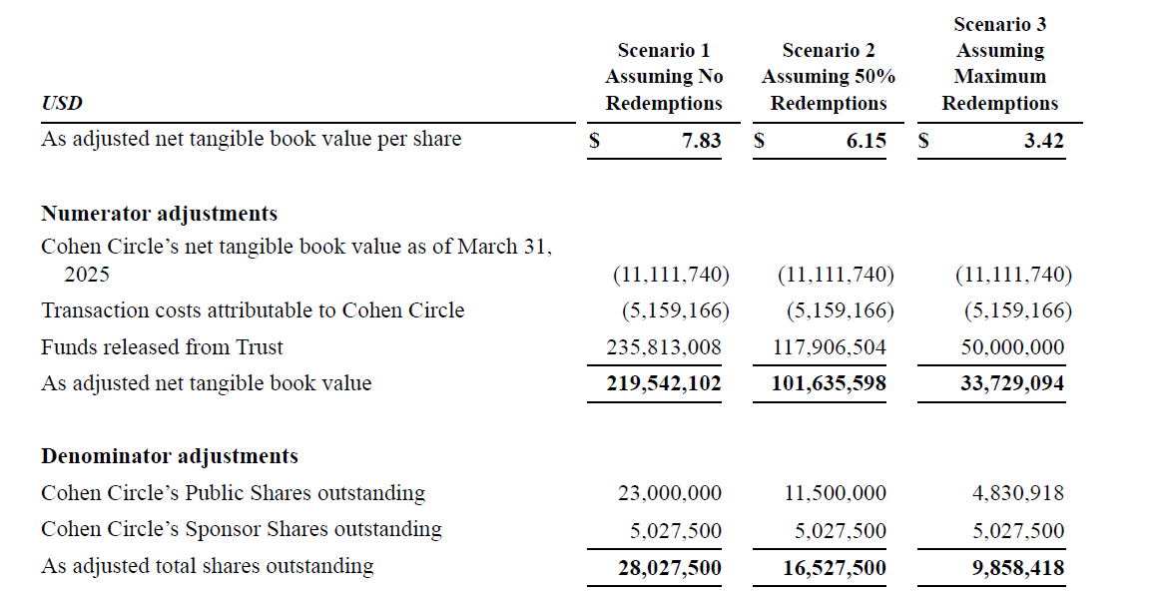
 | % yoy
 | Helsi |  | 41% |  |  |  | 55.20%
 | Kyivstar TV |  | 177% |  |  |  | 97.20%
 | B2B/Cloud

 | % of digital
 | Helsi |  | 42% | 42%
 | Kyivstar TV |  | 55% | 55%
 | B2B/Cloud |  | 3% | 3%

x | Digital vs Telco

 | Service revenue | 2024 | 2025 | 2026 | 2027 | 2028 | 2029 | 2030 | 2031 | 2032 | 2033 | 2034 | 2035
 | Telco | 893 | 916 | 953 | 1,000 | 1,044 | 1,075 | 1,113 | 1,157 | 1,205 | 1,255 | 1,307 | 1,361
 | Digital | 22 | 112 | 165 | 205 | 243 | 278 | 306 | 334 | 360 | 386 | 414 | 443
 | Total | 915 | 1,029 | 1,118 | 1,205 | 1,287 | 1,352 | 1,420 | 1,491 | 1,565 | 1,642 | 1,721 | 1,804

 | % of SR
 | Telco | 97.6% | 89.1% | 85.2% | 83.0% | 81.1% | 79.5% | 78.4% | 77.6% | 77.0% | 76.5% | 75.9% | 75.5%
 | Digital | 2.4% | 10.9% | 14.8% | 17.0% | 18.9% | 20.5% | 21.6% | 22.4% | 23.0% | 23.5% | 24.1% | 24.5%

 | EBITDA margin
 | Telco | 55% | 55% | 55% | 55% | 55% | 55% | 55% | 55% | 55% | 55% | 55% | 55%
 | Digital | 25% | 25% | 25% | 25% | 25% | 25% | 25% | 25% | 25% | 25% | 25% | 25%
 | Total | 54.3% | 51.7% | 50.6% | 49.9% | 49.3% | 48.8% | 48.5% | 48.3% | 48.1% | 47.9% | 47.8% | 47.6% | 6.6% | 0.6%
 |  |  | -2.6% | -1.2% | -0.7% | -0.6% | -0.5% | -0.3% | -0.2% | -0.2% | -0.2% | -0.2% | -0.1%
 | EBITDA
 | Telco | 491 | 504 | 524 | 550 | 574 | 591 | 612 | 636 | 663 | 690 | 719 | 749
 | Digital | 5 | 28 | 41 | 51 | 61 | 69 | 77 | 83 | 90 | 97 | 104 | 111
 | Total | 497 | 532 | 565 | 601 | 635 | 660 | 689 | 720 | 753 | 787 | 822 | 859

 | Capex intensity
 | Telco | 20% | 20% | 20% | 20% | 20% | 20% | 20% | 20% | 20% | 20% | 20% | 20%
 | Digital | 3% | 3% | 3% | 3% | 3% | 3% | 3% | 3% | 3% | 3% | 3% | 3%
 | Total | 19.6% | 18.1% | 17.5% | 17.1% | 16.8% | 16.5% | 16.3% | 16.2% | 16.1% | 16.0% | 15.9% | 15.8% | 3.8%

 | Capex
 | Telco | 179 | 183 | 191 | 200 | 209 | 215 | 223 | 231 | 241 | 251 | 261 | 272
 | Digital | 1 | 3 | 5 | 6 | 7 | 8 | 9 | 10 | 11 | 12 | 12 | 13
 | Total | 179 | 187 | 196 | 206 | 216 | 223 | 232 | 241 | 252 | 263 | 274 | 286

 | OpFCF
 | Telco | 313 | 321 | 334 | 350 | 365 | 376 | 390 | 405 | 422 | 439 | 457 | 476
 | Digital | 5 | 25 | 36 | 45 | 54 | 61 | 67 | 73 | 79 | 85 | 91 | 97
 | Total | 317 | 345 | 370 | 395 | 419 | 437 | 457 | 478 | 501 | 524 | 549 | 574

 | OpFCF margin
 | Telco | 35% | 35% | 35% | 35% | 35% | 35% | 35% | 35% | 35% | 35% | 35% | 35%
 | Digital | 22% | 22% | 22% | 22% | 22% | 22% | 22% | 22% | 22% | 22% | 22% | 22%
 | Total | 35% | 34% | 33% | 33% | 33% | 32% | 32% | 32% | 32% | 32% | 32% | 32%

x | Net debt
 |  | 1Q25
 | Gross debt | 960 |  |  | Gross debt | 960
 | Lease liabilities | 333 |  |  | Lease liabilities | (333)
 | Debt ex. Leases | 627 |  |  | Debt ex. Leases | 627
 | Cash | 712 |  |  | Cash | (712)
 | Net debt (cash) ex. Leases | (85) |  |  | Net debt (cash) ex. Leases | (85)
 | Net debt with. Leases | 248

 |  | 2025
 | BOP Cash - 2025 | 674
 | Cash Flow from Operations | 498
 | Purchase of PPE and Intangibles | (320)
 | Uklon acquisition | (141)
 | Debt repayment | (565)
 | Loan receivable from VEON Amsterdam B.V. | 362
 | Cash from SPAC | 138
 | EOP Cash - 2025 | 646
 | Gross debt | 329
 | Net debt (Cash) | (317)

x | 1Q25 cash | 712
 | Uklon acquisition | -155.2 |  | Completed on 2 Apr 2025
 | Repayment of debt | -561 |  | Pg 169 of S4
 | Loan receivables from VEON AMS | 306
 | Receivables from VEON AMS | 32
 | Estimated cash on hand now | 333.8

 | US$ m
x | Cost of 2x Uklon | 310.4 |  |  | 97% stake for 155.2m
 | 2025 EBITDA of 2x Uklon | 48.2 |  |  | Assumed 27% EBITDA margin

 | 2025 | Status quo | With 2x Uklon
 | Market Cap | 3,017 | 3,017
 | Debt | 329 | 329
 | Cash | 655 | 345 |  | Less 2x Uklon
 | Net debt | (326) | (16)
 | EV | 2,691 | 3,002
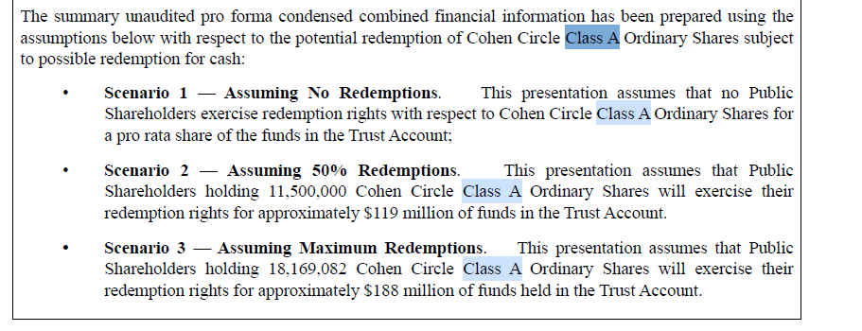
 | Kyivstar EBITDA, US$ m | 548 | 596
 | EV/EBITDA | 4.9 | 5.0

 | Shares
 |  | m
 | Class a redeemable | 23
 | Class a and b non-redeemable | 9

 |  | No redemptions | 50% | Max redemptions |  | Likely scenario
 |  |  |  |  |  | 25.4% redemption
 | VEON | 190,526,570 | 202,026,570 | 208,695,652 |  | 196,368,570 | 89.8%
 | CCIR shareholders | 23,000,000 | 11,500,000 | 4,830,918 |  | 17,158,000 | 7.9%
 | Sponsors | 5,027,500 | 5,027,500 | 5,027,500 |  | 5,027,500 | 2.3%
 |  | 218,554,070 | 218,554,070 | 218,554,070 |  | 218,554,070

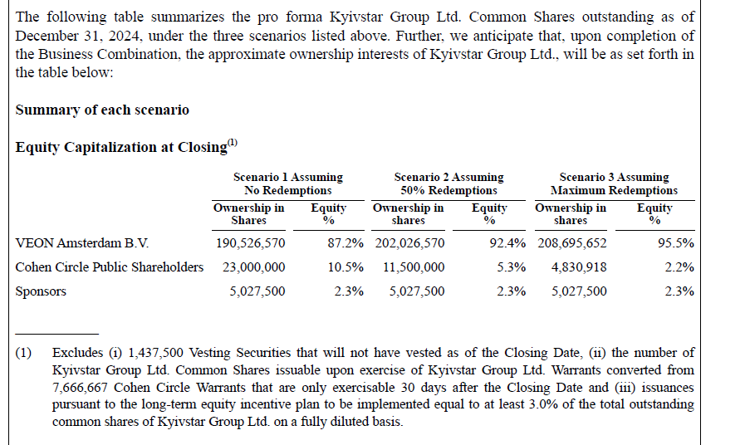
 |  | 0 | 0.5 | 0.78996008696 |  | 25.40%
 | Cash

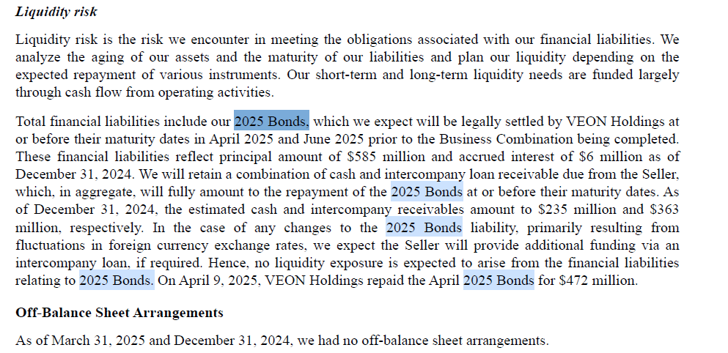

x | UAH m
 | Gross revene | 2023 |  |  |  |  | 1Q23 | 2Q23 | 3Q23 | 4Q23 | 1Q24
 | Kyivstar TV | 615 | 80% paying subs. Bundles with core business |  |  |  | 133 | 147 | 160 | 175 | 177
 | Cloud | 447 |  |  |  |  | 75 | 119 | 117 | 136 | 109

 | Net revenue | 2023
 | Big data | 140 |  |  |  |  | 27 | 29 | 33 | 51 | 46
 | Helsi | 132 |  |  |  |  | 30 | 34 | 32 | 36 | 48

Spectrum
Last updated | 2025-07-15
Source: SpectrumHub

Data |  |  |  |  |  |  |  | Analysis |  |  |  |  |  |  | Charting
Country | Market | Population | Operator | Band | MHz | MHz-Pop | TDD/FDD |  | Band, MHz |  |  |  |  |  |  | Band, MHz
Ukraine | national | 4.52E+07 | Kyivstar | 1800 | 50 | 2.26E+09 | FDD | Operator | 900 | 1800 | 2100 | 2300 | 2600 | Total | Operator | 900 MHz | 1800 MHz | 2100 MHz | 2300 MHz | 2600 MHz | Total | Other source | 900 MHz | 1800 MHz | 2100 MHz | 2300 MHz | 2600 MHz | Total | Difference | 900 MHz | 1800 MHz | 2100 MHz | 2300 MHz | 2600 MHz | Total
Ukraine | national | 4.52E+07 | Kyivstar | 1800 | 20 | 9.04E+08 | FDD | Kyivstar | 12.4 | 70 | 40 | 40 | 30 | 192.4 | Kyivstar | 20 | 70 | 40 | 40 | 30 | 200 | Kyivstar | 20 | 70 | 40 | 40 | 30 | 200 | Kyivstar | 0 | 0 | 0 | 0 | 0 | 0
Ukraine | national | 4.52E+07 | Lifecell | 1800 | 30 | 1.36E+09 | FDD | Lifecell | 10 | 30 | 40 | 0 | 30 | 110 | Vodafone Ukraine | 15.8 | 50 | 40 | 0 | 55 | 160.8 | Vodafone Ukraine | 10 | 50 | 40 |  | 55 | 155 | Vodafone Ukraine | 1.2 | -20 | 0 | 0 | -25 | -43.8
Ukraine | national | 4.52E+07 | Vodafone Ukraine | 1800 | 40 | 1.81E+09 | FDD | Vodafone Ukraine | 10 | 50 | 40 | 0 | 60 | 160 | Lifecell | 11.2 | 30 | 40 | 0 | 30 | 111.2 | Lifecell | 10 | 30 | 40 |  | 30 | 110 | Lifecell | 5.8 | 20 | 0 | 0 | 25 | 50.8
Ukraine | national | 4.52E+07 | Vodafone Ukraine | 1800 | 10 | 4.52E+08 | FDD | 3Mob | 0 | 0 | 0 | 0 | 0 | 0 | 3Mob | 0 | 0 | 0 | 0 | 0 | 0
Ukraine | national | 4.52E+07 | Kyivstar | 2100 | 10 | 4.52E+08 | FDD | Regional operators | 37.6 | 0 | 0 | 0 | 0 | 37.6 | Regional operators | 37.6 | 0 | 0 | 0 | 0 | 37.6
Ukraine | national | 4.52E+07 | Kyivstar | 2100 | 30 | 1.36E+09 | FDD |  |  |  |  |  |  |  |  |  |  |  |  |  |  | https://www.spectrum-tracker.com/Ukraine/Kyivstar
Ukraine | 25 regions, ex Crimea, Sevastopol | 4.28E+07 | Lifecell | 2100 | 10 | 4.28E+08 | FDD |  |  |  |  |  |  |  |  | As of 2024 | As of 2024 |  |  |  |  | Kyivstar bought two lots of spectrum in the 1940-1945/2130-2135 MHz and 2355-2395 MHz bands, while Vodafone Ukraine also bought two lots in the 1945-1950/2135-2140 MHz and 2575-2610 MHz bands. Lifecell took the fifth lot for the 1935-1940/2125-2130 MHz bands.
Ukraine | national | 4.52E+07 | Lifecell | 2100 | 30 | 1.36E+09 | FDD |  |  |  |  |  |  |  |  | Revenue, UAH m | Subscribers | Spectrum | Revenue Share | Subscribers Share | Spectrum Share
Ukraine | national | 4.52E+07 | Vodafone Ukraine | 2100 | 20 | 9.04E+08 | FDD |  |  |  |  |  |  |  | Kyivstar | 37274 | 23009.719 | 200 | 50.1% | 47.2% | 42.4%
Ukraine | 25 regions, ex Crimea, Sevastopol | 4.28E+07 | Vodafone Ukraine | 2100 | 10 | 4.28E+08 | FDD |  |  |  |  |  |  |  | Vodafone Ukraine | 24442 | 15794.80711 | 160.8 | 32.9% | 32.4% | 34.1%
Ukraine | 25 regions, ex Crimea, Sevastopol | 4.28E+07 | Vodafone Ukraine | 2100 | 10 | 4.28E+08 | FDD |  |  |  |  |  |  |  | Lifecell | 12672 | 9944.8785508 | 111.2 | 17.0% | 20.4% | 23.6%
Ukraine | national | 4.52E+07 | Kyivstar | 2300 | 40 | 1.81E+09 | TDD |  |  |  |  |  |  |  |  | 74388 | 48749.404661 | 472
Ukraine | national | 4.52E+07 | Kyivstar | 2600 | 30 | 1.36E+09 | FDD
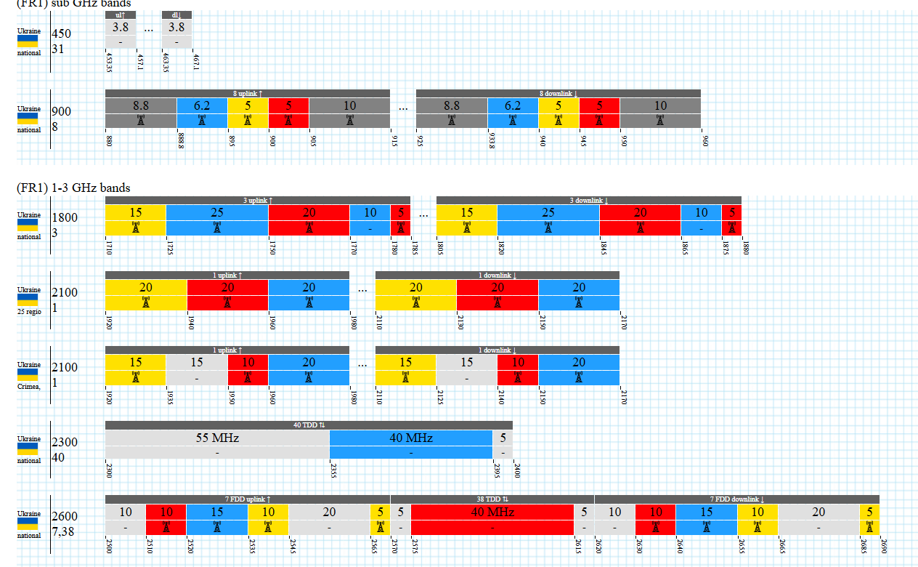
Ukraine | national | 4.52E+07 | Lifecell | 2600 | 10 | 4.52E+08 | FDD
Ukraine | national | 4.52E+07 | Lifecell | 2600 | 20 | 9.04E+08 | FDD
Ukraine | national | 4.52E+07 | Vodafone Ukraine | 2600 | 20 | 9.04E+08 | FDD
Ukraine | national | 4.52E+07 | Vodafone Ukraine | 2600 | 5 | 2.26E+08 | TDD
Ukraine | national | 4.52E+07 | Vodafone Ukraine | 2600 | 35 | 1.58E+09 | TDD
Ukraine | national | 4.52E+07 | Kyivstar | 900 | 12.4 | 5.60E+08 | FDD
Ukraine | national | 4.52E+07 | Lifecell | 900 | 10 | 4.52E+08 | FDD
Ukraine | national | 4.52E+07 | Regional operators | 900 | 20 | 9.04E+08 | FDD
Ukraine | national | 4.52E+07 | Regional operators | 900 | 17.6 | 7.95E+08 | FDD
Ukraine | national | 4.52E+07 | Vodafone Ukraine | 900 | 10 | 4.52E+08 | FDD

 |  |  |  |  |  |  |  | Please, correct. KS owns 20MHz in 900, VF owns 55MHz in 2600 and 15.8MHz in 900; lifecell owns 11.2MHz in 900

Price plans
 | PRICE PLANS
 | Last updated

x | SUMMARY

 | Prepaid
Kyivstar | 220
Vodafone Ukraine | 200
Lifecell | 190
Kyivstar | 350
Vodafone Ukraine | 270
Kyivstar | 500
Vodafone Ukraine | 500
Lifecell | 350
 | MOBILE PRICING |  |  |  |  |  |  |  |  |  |  |  |  |  |  |  | Analysis
 |  | New user | New user | Existing user | Existing user | New user |  |  |  |  |  |  |  |  |  |  |  | Price | GB | Price/GB | Kyivstar vs others | Vodafone vs others
 | Type | Prepaid | Prepaid | Prepaid | Prepaid | Prepaid | Prepaid | Prepaid | Prepaid | Prepaid | Prepaid | Prepaid | Prepaid |  |  | Acquisition pack
 | Plan | Lightweight | Cool | Lightweight | Cool | Turbo | Joice Start | Joice Pro | Joice Max | Flexx GO | Flexx TOP | Maxi | Mega |  |  |  | Kyivstar | 220 | Unlimited |  |  | -9.1%
 | Price | 220 | 350 | 350 | 500 | 200 | 270 | 330 | 450 | 320 | 500 | 190 | 350 |  |  |  | Vodafone Ukraine | 200 | Unlimited |  | 10.0%
 | Data (GB) | Unlimited | Unlimited | 20 | 50+150 | Unlimited | 20 | 30 | 40 | 30 | 50 | 25 | Unlimited |  |  |  | Lifecell | 190 | 25 | 7.6 | 15.8% | 5.3%
 | Price/GB |  |  | 17.5 |  |  | 13.5 | 11.0 | 11.3 | 10.7 | 10.0 | 7.6 |  |  |  |  |  |  |  |  | 12.9%
 |  |  |  |  |  |  |  |  |  |  |  |  |  |  |  | Mid pack
 | Roaming | 5 | 5 | 5 | 5 | 5 | 5 | 7 | 10 | 8 | 13 | 20 | 25 |  |  |  | Kyivstar | 350 | 20.0 | 17.5
 | Call time (min) | 150 | 300 | 300 | 600 | 800 | 500 | 600 | 700 | 500 | 800 | 750 | 1,000 |  |  |  | Vodafone Ukraine | 270 | 20.0 | 13.5 | 29.6% | -22.9%

 | Additional: |  |  |  |  |  |  |  |  |  |  |  |  |  |  | Large pack
 | Home broadband | 100 Mbps | 1 Gbps | 100 Mbps | 1 Gbps |  |  |  |  |  |  |  |  |  |  |  | Kyivstar | 500 | 50+150
 |  |  |  |  |  |  |  |  |  |  |  |  |  |  |  |  | Vodafone Ukraine | 500 | 50 | 10 | 0.0% | 0.0%
 | MOBILE PRICING |  |  |  |  |  |  |  |  |  |  |  |  |  |  |  | Lifecell | 350 | Unlimited |  | 42.9% | 42.9%
 |  | New user | New user | Existing user | Existing user | New user
 | Type | Prepaid | Prepaid | Prepaid | Prepaid | Prepaid | Prepaid | Prepaid | Prepaid | Prepaid | Prepaid | Prepaid | Prepaid |  |  |  |  |  |  | Vs Vodafone | 13.2%
 | Plan | Easy | Cool | Easy | Cool | Turbo | Joice Start | Joice Pro | Joice Max | Flexx GO | Flexx TOP | Maxi | Mega |  |  |  |  |  |  | VS Lifecell | 29.3%
 | Price (Standard) | 220 | 350 | 300 | 450 | 270 | 270 | 330 | 450 | 320 | 500 | 190 | 350 |  |  |  |  |  |  |  | 18.5%
 | Data (GB) | Unlimited | Unlimited | 40 | Unlimited | Unlimited | 20 | 30 | 40 | 30 | 50 | 25 | Unlimited
 | Price/GB |  |  | 7.5 |  |  | 13.5 | 11.0 | 11.3 | 10.7 | 10.0 | 7.6

 | Roaming | 10 | 15 | Optional add on: 5GB |  | 5 | 5 | 7 | 10 | 8 | 13 | 20 | 25
 | Call time (min) | 300 | 600 | 300 | 600 | 800 | 500 | 600 | 700 | 500 | 800 | 750 | 1,000

 | Additional:
 | Home broadband | 100 Mbps | 100 Mbps | 100 Mbps | 1 Gbps

X | MOBILE

x | In UAH | Kyivstar |  |  |  |  |  |  |  |  | Vodafone Ukraine |  |  |  |  |  |  |  |  | Lifecell | Lifecell
 |  | Aged 60+ or with disabilities | New user | New user | Existing user | Existing user | New user | New user | Existing user | Existing user | Starter pack promo
 | Type | Prepaid | Prepaid | Prepaid | Prepaid | Prepaid | Postpaid | Postpaid | Postpaid | Postpaid | Prepaid | Prepaid | Prepaid | Prepaid | Prepaid | Prepaid | Postpaid | Postpaid | Postpaid
 | Plan | Comfort | Easy | Cool | Easy | Cool | Lightweight | Cool | Lightweight | Cool | Turbo | Joice Start | Joice Pro | Joice Max | Flexx GO | Flexx TOP | Red Start | Red Pro | Red Unlimited | Maxi | Mega
 | Price | 220 | 220 | 350 | 300 | 450 | 220 | 350 | 350 | 500 | 270 | 270 | 330 | 450 | 320 | 500 | 240 | 330 | 400 | 190 | 350
 | Data (GB) | 10 | Unlimited | Unlimited | 40 | Unlimited | Unlimited | Unlimited | 20 | 50+150 | Unlimited | 20 | 30 | 40 | 30 | 50 | 20 | 50 | Unlimited | 25 | Unlimited
 | Price/GB | 22 |  |  | 7.5 |  |  |  |  |  |  | 13.5 | 11 | 11.25 | 10.666666667 | 10 | 12 | 6.6 |  | 7.6

 | Bundled services
 | Home broadband | 100 Mbps | 100 Mbps | 100 Mbps | 100 Mbps | 1 Gbps | 100 Mbps | 1 Gbps | 100 Mbps | 1 Gbps

 |  |  |  |  |  |  | 2x call time if paid on time | 2x call time if paid on time | 2x data and call time if paid on time | 2x data and call time if paid on time

 |  | x | 2 extra | 2 extra | 2 additional add-ons: Kyivstar TV, 5GB roaming etc |  | Choose 1 extra | Choose 1 extra | Choose 1 extra | Choose 1 extra

 | Note: | Aged 60+ or with disabilities

 | Sources:
 | https://kyivstar.ua/tariffs?filter=mmc
 | https://www.vodafone.ua/rates
 | https://www.lifecell.ua/en/mobile/tariffs/

x | BROADBAND

 | In UAH | Kyivstar |  | Vodafone Ukraine |  |  |  |  |  |  |  | Life cell
 | Plan | Luck | House | Gigabit Net | Gigabit Net+TV Start | Gigabit Net+TV Pro
 | Price | 100/month for 6 months, 200 thereafter | 200/month for 6 months, 350 thereafter | Free 3 months, 250 thereafter | Free 3 months, 300 thereafter | Free 3 months, 325 thereafter
 | Speed | 100 Mbps | 1 Gbps | 1 Gbps | 1 Gbps | 1 Gbps
 | TV |  |  | 90 channels | 260 channels | 350 channels

 | Additional

 | Implied cost/month | 150 | 275 | 187.5 | 225 | 243.75

 | Promo price | 100 | 200 | 0 | 0 | 0
 | Promo term | 6 | 6 | 3 | 3 | 3
 | Usual/month | 200 | 350 | 250 | 300 | 325
 | Term | 6 | 6 | 9 | 9 | 9

 | Calculated cost per year | 1800 | 3300 | 2250 | 2700 | 2925

x | FMC |  |  | Kyivstar | Kyivstar | Kyivstar | V | V | Lifecell | Lifecell

 | Plan |  |  | FMC - Advantage | FMC - Lightweight | FMC - Cool | Gigacombo | Gigacombo Pro | Lifeset S | Lifeset M | Lifeset L | Lifeset XL
 | Price |  |  | 200/month for 3 months, 250 thereafter | 200/month for 3 months, 350 thereafter | 200/month for 3 months, 550 thereafter | 250/month for 3 months, 350 thereafter | 250/month for 3 months, 450 thereafter
 | Speed |  |  | 100 Mbps | 100 Mbps | 1 Gbps | 1 Gbps | 1 Gbps

 | Mobile data |  |  | 20 | 40 | Unlimited | Unlimited | Unlimited | 10 | 25 | 40 | Unlimited
 | TV |  |  |  |  |  |  |  | None | Yes | Yes | Yes

 | Implied cost/month |  |  | 238 | 313 | 425 | 325 | 400 | 100 | 175 | 300 | 500

 | Promo price |  |  | 200 | 200 | 200 | 250 | 250 | -- | -- | -- | --
 | Promo term |  |  | 3 | 3 | 3 | 3 | 3 | -- | -- | -- | --
 | Usual/month |  |  | 250 | 350 | 500 | 350 | 450 | 100 | 175 | 300 | 500
 | Term |  |  | 9 | 9 | 9 | 9 | 9 | 12 | 12 | 12 | 12

 | Calculated cost per year |  |  | 2,850 | 3,750 | 5,100 | 3,900 | 4,800 | 1,200 | 2,100 | 3,600 | 6,000

 | Source:
 | https://kyivstar.ua/home-internet
 | https://www.lifecell.ua/en/lifeset/

Comps
 | VALUATION COMPARABLES

 |  |  |  |  |  | Financials |  |  |  |  |  |  |  |  | Valuation
 | Company | Ticker | Market Cap | Net debt | Enterprise Value | Sales |  |  | EBITDA |  |  | EBITDA margin |  |  | EV/Sales |  |  | EV/EBITDA
 | In US$ m, unless otherwise stated |  |  |  |  | FY0 | FY1 | FY2 | FY0 | FY1 | FY2 | FY0 | FY1 | FY2 | FY0 | FY1 | FY2 | FY0 | FY1 | FY2

x | Telcos |  |  |  |  |  |  |  |  |  |  |  |  |  |  |  |  |  |  |  | Multmod |  |  |  |  | P/E |  |  |  | EFCF yield |  |  |  |  |  |  |  |  |  |  |  |  |  |  |  |  |  |  | Charting | Multmod
 |  |  |  |  |  |  |  |  |  |  |  |  |  |  |  |  |  |  |  |  | EV/EBITDA | 2025 | 2026 | 2027 | 2028 | 2025 | 2026 | 2027 | 2028 | 2025 | 2026 | 2027 | 2028 | EV/EBITDA | 2025 | 2026 | 2027 | 2028 | P/E | 2025 | 2026 | 2027 | 2028 | EFCF yield | 2025 | 2026 | 2027 | 2028 |  | FY+1 EV/EBITDA
 | China Mobile Limited | 941-HKG | 239,308 | (43,612) | 205,885 | 143,553 | 147,545 | 151,486 | 46,476 | 48,122 | 49,351 | 32.4% | 32.6% | 32.6% | 1.4x | 1.4x | 1.4x | 4.4x | 4.3x | 4.2x | China Mobile | 4.0 | 3.4 | 3.1 | 2.5 | 11.4 | 10.9 | 10.3 | 9.6 | 7.5% | 8.0% | 8.6% | 9.0% | China Mobile | 3.9 | 3.4 | 3.0 | 2.5 | China Mobile | 10.7 | 10.0 | 9.5 | 9.3 | China Mobile | 8.3% | 8.4% | 8.5% | 8.8% | China Unicom | 1.6
 | China Telecom Corp. Ltd. Class H | 728-HKG | 72,274 | (5,653) | 70,342 | 72,887 | 75,548 | 77,775 | 19,475 | 20,084 | 20,664 | 26.7% | 26.6% | 26.6% | 1.0x | 0.9x | 0.9x | 3.6x | 3.5x | 3.4x | China Telecom | 2.0 | 1.8 | 1.8 | 1.6 | 13.0 | 11.9 | 11.0 | 10.4 | 3.8% | 7.5% | 9.6% | 10.5% | China Telecom | 2.3 | 2.1 | 2.2 | 2.0 | China Telecom | 13.2 | 11.7 | 10.5 | 10.1 | China Telecom | 7.2% | 7.6% | 8.2% | 8.6% | China Telecom | 2.0
 | China Unicom (Hong Kong) Limited | 762-HKG | 39,407 | (3,985) | 35,768 | 53,841 | 55,949 | 57,579 | 13,953 | 14,189 | 14,181 | 25.9% | 25.4% | 24.6% | 0.7x | 0.6x | 0.6x | 2.6x | 2.5x | 2.5x | China Unicom | 1.7 | 1.5 | 1.5 | 1.3 | 12.9 | 11.5 | 10.0 | 8.8 | 12.4% | 13.2% | 14.3% | 15.7% | China Unicom | 1.7 | 1.5 | 1.5 | 1.2 | China Unicom | 12.1 | 10.5 | 8.9 | 7.6 | China Unicom | 13.5% | 14.1% | 15.4% | 16.6% | TIM Participacoes | 3.2
 | Bharti Airtel Limited | BHARTIARTL-NSE | 120,702 | 22,846 | 146,719 | 20,270 | 23,670 | 26,808 | 11,052 | 13,323 | 15,363 | 54.5% | 56.3% | 57.3% | 7.2x | 6.2x | 5.5x | 13.3x | 11.0x | 9.5x | SingTel | 4.1 | 3.8 | 3.5 | 3.2 | 14.2 | 11.3 | 9.6 | 8.3 | 2.6% | 3.3% | 4.0% | 5.0% | SingTel | 4.1 | 3.8 | 3.5 | 3.2 | SingTel | 14.2 | 11.3 | 9.6 | 8.3 | SingTel | 3.6% | 4.3% | 5.2% | 5.6% | XL Axiata | 3.9
...
 |  |  |  |  |  |  |  |  |  |  |  |  |  |  |  |  |  | 5.4x | 4.9x | 4.6x | America Movil | 5.5 | 4.7 | 4.3 | 3.9 | 13.9 | 11.1 | 9.9 | 9.0 | 1.4% | 7.7% | 8.5% | 9.1% | America Movil | 4.9 | 4.4 | 4.1 | 3.7 | America Movil | 11.6 | 9.9 | 8.8 | 8.0 | America Movil | 8.7% | 8.5% | 10.1% | 11.5% | Vodafone IDEA | 14.1
 |  |  |  |  |  |  |  |  |  |  |  |  |  |  |  |  |  | 5.3x | 4.8x | 4.4x | LiLAC | 6.1 | 5.6 | 5.2 | 4.8 | -160.6 | 10.1 | 6.2 | 4.8 | 16.7% | 20.5% | 22.9% | 25.7% | LiLAC | 5.8 | 5.2 | 4.7 | 4.3 | LiLAC | 15.4 | 7.6 | 4.8 | 3.4 | LiLAC | 16.7% | 20.5% | 22.9% | 25.7%
 |  |  |  |  |  |  |  |  |  |  |  |  |  |  |  |  |  |  |  |  | Millicom | 6.4 | 6.2 | 5.9 | 5.5 | 18.5 | 11.2 | 11.1 | 10.5 | 8.9% | 9.3% | 9.5% | 10.0% | Millicom | 5.9 | 5.7 | 5.4 | 5.0 | Millicom | 15.7 | 9.4 | 9.3 | 8.7 | Millicom | 10.2% | 10.7% | 11.6% | 12.4% | Kyivstar | 4.9
 |  |  |  |  |  |  |  |  |  |  |  |  |  |  |  |  |  |  |  |  | TIM Participacoes | 3.2 | 2.6 | 2.0 | 1.4 | 7.9 | 6.8 | 5.7 | 4.8 | 7.1% | 8.0% | 10.2% | 11.8% | TIM Participacoes | 3.2 | 2.6 | 2.0 | 1.5 | TIM Participacoes | 8.2 | 7.1 | 6.1 | 5.3 | TIM Participacoes | 8.5% | 11.0% | 12.4% | 13.6%
 |  |  |  |  |  |  |  |  |  |  |  |  |  |  |  |  |  |  |  |  | Vivo | 4.6 | 3.9 | 3.5 | 2.9 | 16.7 | 13.3 | 10.3 | 8.9 | 7.9% | 7.7% | 10.4% | 12.4% | Vivo | 4.3 | 3.7 | 3.3 | 2.7 | Vivo | 15.6 | 12.7 | 9.8 | 8.4 | Vivo | 7.9% | 9.9% | 12.1% | 13.6% | Ex. Kyivstar
 |  |  |  |  |  |  |  |  |  |  |  |  |  |  |  |  |  |  |  |  |  |  |  |  |  |  |  |  |  |  |  |  |  |  |  |  |  |  |  |  |  |  |  |  |  |  |  |  | Average | 6.1
 |  |  |  |  |  |  |  |  |  |  |  |  |  |  |  |  |  | 29.9x | 22.2x | 17.5x |  |  |  |  |  |  |  |  |  |  |  |  |  | Kyivstar | 4.9 | 4.7 | 4.5 | 4.3 | Kyivstar | 10.1 | 8.8 | 8.4 | 7.9 | Kyivstar | 5.9% | 6.8% | 7.5% | 8.3%
 |  |  |  |  |  |  |  |  |  |  |  |  |  |  |  |  |  | 11.7x | 8.6x | 6.8x |  |  |  |  |  |  |  |  |  |  |  |  |  | Average ex. Kyivstar | 5.8 | 5.1 | 4.6 | 4.0 | Average ex. Kyivstar | 15.3 | 12.6 | 10.8 | 9.5 | Average ex. Kyivstar | 7.4% | 8.4% | 9.9% | 11.2%
 |  |  |  |  |  |  |  |  |  |  |  |  |  |  |  |  |  | 46.0x | 30.2x | 19.2x
 |  |  |  |  |  |  |  |  |  |  |  |  |  |  |  |  |  | 142.5x | 28.7x | 17.2x
China Mobile | 4.0
China Telecom | 2.0
China Unicom | 1.7
SingTel | 4.1
SK Telecom | 4.3
KT Corp | 2.6
LG Uplus | 3.7
Bharti Airtel | 12.3
Vodafone IDEA | 15.3
Telkom Indonesia | 7.8
Indosat | 4.1
XL Axiata | 6.2
Maxis | 9.1
CelcomDigi | 9.2
Axiata | 5.7
AIS | 7.3
TRUE Corp | 7.7
VEON | 4.5
Airtel Africa | 8.2
MTN | 6.3
Safaricom | 5.6
Vodacom | 6.8
America Movil | 5.5
LiLAC | 6.1
Millicom | 6.4
China Unicom | 1.6
China Telecom | 2.0
TIM Participacoes | 3.2
XL Axiata | 3.9
China Mobile | 3.9
Indosat | 4.0
VEON | 4.3
Vivo | 4.4
Axiata | 4.8
America Movil | 4.9
Safaricom | 5.3
Liberty Latin America | 5.7
Millicom | 5.7
MTN | 6.4
Telkom Indonesia | 6.6
Vodacom | 6.9
Airtel Africa | 7.3
TRUE | 7.4
Maxis | 8.4
AIS | 8.5
CelcomDigi | 9.4
Bharti Airtel | 12.3
Vodafone IDEA | 14.1
Kyivstar | 4.9
 |  |  |  |  |  |  |  |  |  |  |  |  |  |  |  |  |  | 20.0x

FX
...
#Calc
#N/A
...
0 | 0
0
0
0
0
0
0
0
0
0
0
0
0
0
0
0
0
0
0
0
0
0
0
0
0
0
0
0
0
0
0
0
0
0
0
0
0
0
0
0
0
0
0
0
0
0
0
0
0
0
...
 | Start | 2024-01-01 | 2024-12-31
 | End | 2024-12-31 | 2025-10-29
 | USDUAH | 40.19286 | #Calc | #VALUE!
...

